Method_calculation
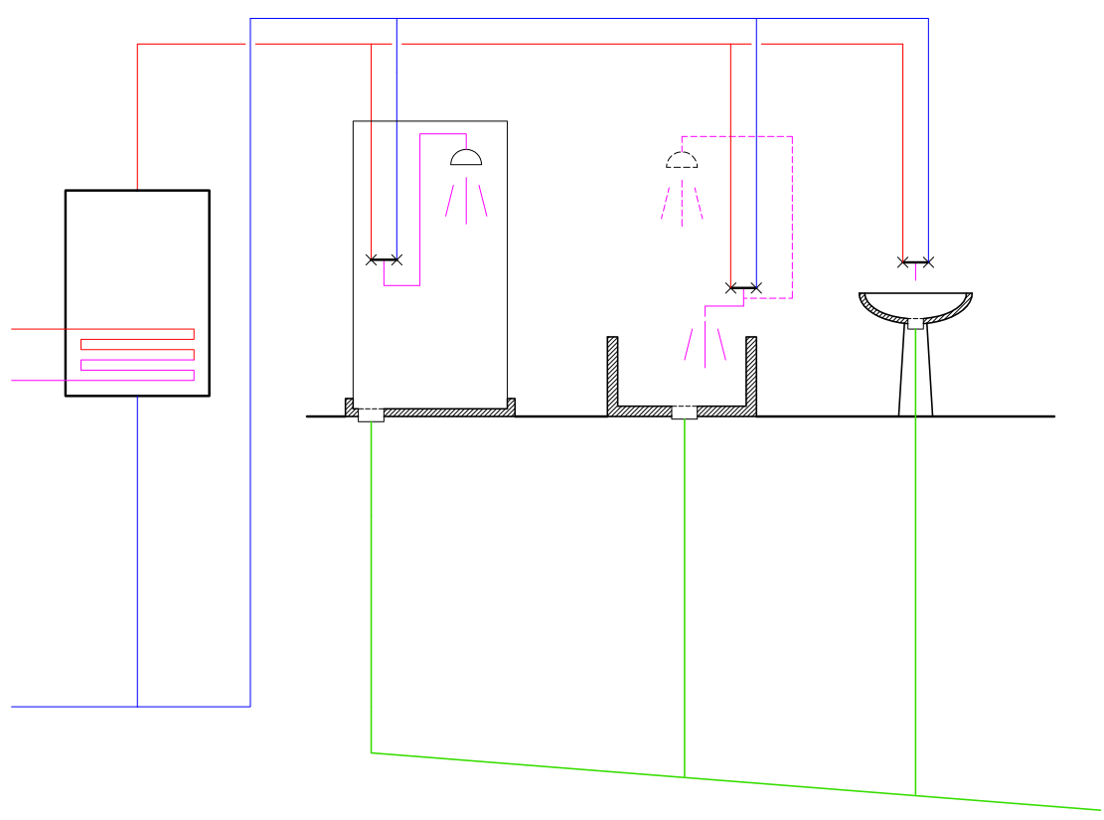
Description | Symbol | Software name | Unit | Value | Formula ref | Equation | Notes | Text display | Images

GENERAL DATA

Get constants
Water density | ρW |  | kg/m³ | 1,000
Water specific heat | cW |  | kWh/kg K | 0.00116

Get domestic hot water needs (energy)
Reference temperature at the tap for shower | qW;draw |  | °C | 40.00 | Data transfer |  |  | 40,0 °C
Cold water temperature | qW;cold,ci |  | °C | 15.00 | Data transfer |  | May vary depending on calculation interval | 15,0 °C | Table J1, monthly values
Dhw needs (energy) | QW;nd,ci |  | kWh | 2.50 | Data transfer |  | May vary depending on calculation interval
5.5.1 - Determine the share of needs related to WWHR device
Fraction of needs related to WWHR | kW;nd;shw |  |  | 0.80 | Data transfer |  | This may be replaced by a function or a specific profile depending on calculation intervals
$$Q_{W;nd;shw,ci}=Q_{W;nd,ci}∙k_{W;nd;shw}$$
Dhw needs related to showering and wwhr (energy) | QW;nd;shw,ci |  | kWh | 2.00 | X.1
$$V_{W;nd;shw,ci}=\frac{Q_{W;nd;shw,ci}}{ρ_{W}∙c_{W}∙\left(θ_{W;draw}−θ_{W;cold,ci}\right)}$$
Dhw needs related to showering and wwhr (volume) | VW;nd;shw,ci |  | m³ | 0.069 | X.2
5.5.2 - Determine balanced flow rate efficiency of the wwhr device
Efficiency at balanced condition A | hwwhr;A |  | p.u. | 0.62 | Data transfer |  | Sample two points interpolation
Efficiency at balanced condition B | hwwhr;B |  | p.u. | 0.65 | Data transfer
Flow rate at balanced condition A | V'wwhr;A |  | l/min | 12.50 | Data transfer
Flow rate at balanced condition B | V'wwhr;B |  | l/min | 9.20 | Data transfer
$$η_{wwhr,ci}=η_{wwhr,A}+\left(η_{wwhr,B}−η_{wwhr,A}\right)∙\frac{{V′}_{W;shw,ci}−{V′}_{wwhr;A}}{{V′}_{wwhr;B}−{V′}_{wwhr;A}}$$
Efficiency at balanced actual shower flow rate | hwwhr,ci |  | p.u. | 0.625

5.5.3 - Determine actual flow rates, recoverable heat and efficiency depending on the type of connection and water temperatures
Common data |  |  |  |  |  |  |  |  |  |  | 35.0 | 62.45
Temperature at shower drain | qW;drain |  | °C | 35.00 | Data transfer |  |  | 35,0 °C
Temperature at the distribution (storage) | qW;dis |  | °C | 60.00 | Data transfer |  |  | 60,0 °C

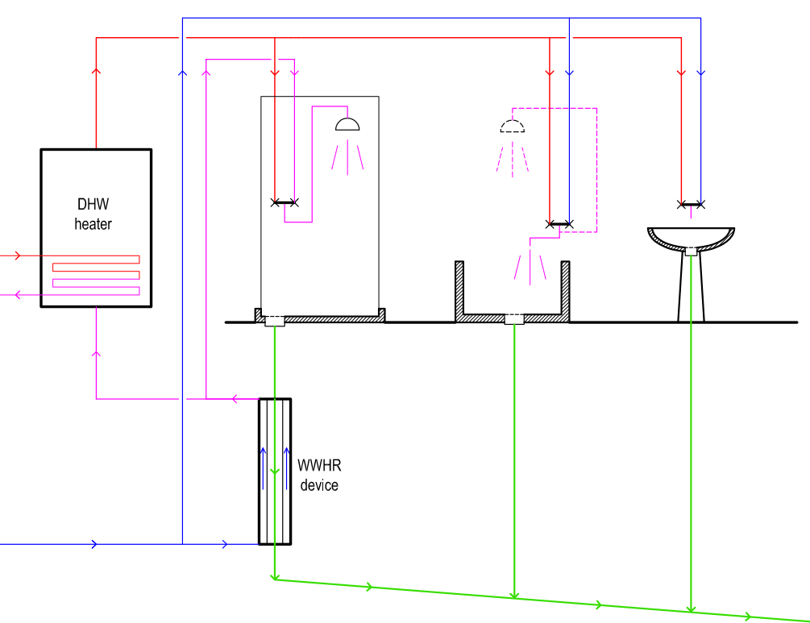
$$k_{wwhr;rbl;A,ci}=\frac{θ_{W;drain}−θ_{W;cold,ci}}{θ_{W;draw}−θ_{W;cold,ci}}$$
$$η_{wwhr,ci;A}=η_{wwhr,ci}$$
4,6 l/min
5.5.3.2 TYPE A connection |  |  |  |  |  |  |  |  |  |  | 35.0 | 27.49
Recoverable fraction of needs | kwwhr;rbl;A,ci |  | - | 0.80 |  |  |  |  |  |  | 22.5 | 12.00
Steady state efficiency of the wwhr device | hwwhr,ci;A |  |  | 0.6245

θ_{W;dis}
60,0 °C
40,0 °C
θ_{W;draw}
7,4 l/min
V'_{W;draw}
Auxiliary data for the figure
Shower and drain flow rate | V'W;shw,ci |  | l/min | 12.00
Shower power | Fw;draw |  | kW | 20.88
12,0 l/min
WWHR device temperatures - A
Heated flow rate |  |  | l/min | 12.00 |  |  |  | 12,0 l/min
Drain flow rate |  |  | l/min | 12.00 |  |  |  | 12,0 l/min
Inlet cold temperature |  |  | °C | 15.00 |  |  |  | 15,0 °C
35,0 °C
θ_{W;drain}
Inlet high temperature |  |  | °C | 35.00 |  |  |  | 35,0 °C
Maximum recoverable power |  |  | kW | 16.70
12,0 l/min
V'_{W;drain}
θ_{W;pre}
Recoverable fraction of needs |  |  |  | 80%
27,5 °C
12,0 l/min
WWHR exchanger actual efficiency |  |  | % | 62.455
Recovered power |  |  | kW | 10.4
Heat recovery global efficiency |  |  | % | 50%

WWHR heated water outlet temperature |  |  | °C | 27.5 |  |  |  | 27,5 °C
Fraction of water to heater |  |  |  | 0.385
Flow rate through heater |  |  | l/min | 4.62 |  |  |  | 4,6 l/min
12,0 l/min
15,0 °C
Flow rate on cold water to tap |  |  | l/min | 7.38 |  |  |  | 7,4 l/min
θ_{W;cold}
V'_{W;wwhr}
22,5 °C
Final drain temperature |  |  | °C | 22.51 |  |  |  | 22,5 °C
12,0 l/min
Length of the pipes for preheated water |  |  | m | 15.0
Inner diameter of pipes |  |  | m | 0.016
Volume of preheated water |  |  | l | 3.02
Total volume of preheated water |  |  | l | 4.77
Utilisation factor |  |  |  | 0.92

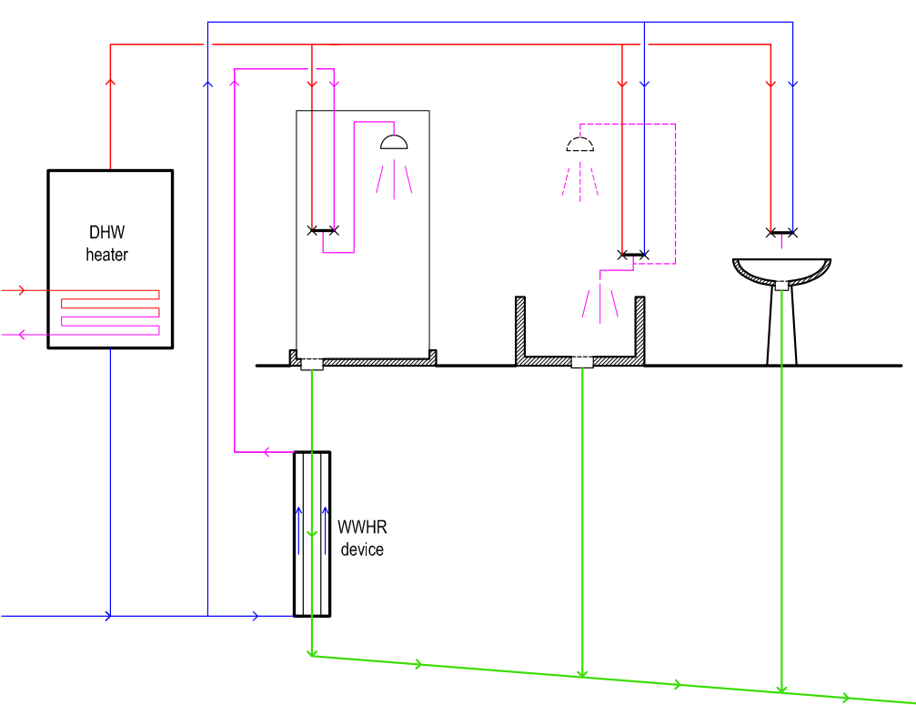
$$η_{wwhr;ci;0}=η_{wwhr;ci}$$
$$NTU_{wwhr;0}=\frac{η_{wwhr;ci;0}}{1−η_{wwhr;ci;0}}$$
3,8 l/min
8,2 l/min
5.5.3.3 TYPE B connection |  |  |  |  |  |  |  |  |  |  | 35.0 | 27.49
Balanced operation efficiency | hwwhr,ci;0 |  |  | 0.62
Balanced operation NTU | NTUwwhr;0 |  | - | 1.66 |  |  | Start with balanced flow rate: C*=1 |  |  |  | 24.3 | 12.00
$$C_{wwhr,0}^{∗}=\frac{θ_{W;dis,ci}−θ_{W;draw}}{θ_{W;dis,ci}−θ_{W;cold,ci}−η_{wwhr;ci;0}∙\left(θ_{W;drain}−θ_{W;cold,ci}\right)}$$
60,0 °C
θ_{W;draw}
θ_{W;dis}
Relative flow rate on secondary, initial value | C*wwhr,0 |  |  | 0.615 |  |  | Calculate relative flow rate which is also C* value because the flow rate on primary is constant
$$NTU_{wwhr;i}=\frac{NTU_{wwhr;0}}{C_{wwhr,i−1}^{∗}}$$
12,0 l/min
40,0 °C
V'_{W;draw}
WWHR device temperatures - B
 | Primary | Secondary
Shower | 35.0 | 27.49
Drain | 24.3 | 12.00
NTU first iteration | NTUwwhr;1 |  |  | 2.70 | a |  | Calculate a new NTU assuming constant heat exchange coefficient UA (leading coefficient on primary side)
$$η_{wwhr;ci;i}=\frac{1−e^{−NTU_{wwhr;i}∙\left(1−C_{wwhr,i−1}^{∗}\right)}}{1−{C_{wwhr,i−1}^{∗}∙e}^{−NTU_{wwhr;i}∙\left(1−C_{wwhr,i−1}^{∗}\right)}}$$
35,0 °C
θ_{W;drain}
Efficiency first iteration | hwwhr,ci;1 |  |  | 0.826 |  |  | Calculate a new efficiency
$$C_{wwhr,i}^{∗}=\frac{θ_{W;dis,ci}−θ_{W;draw}}{θ_{W;dis,ci}−θ_{W;cold,ci}−η_{wwhr;ci;i}∙\left(θ_{W;drain}−θ_{W;cold,ci}\right)}$$
30,7 °C
12,0 l/min
3,8 l/min
8,2 l/min
Relative flow rate on secondary,first iteration | C*wwhr,1 |  |  | 0.702
NTU second iteration | NTUwwhr;2 |  |  | 2.37 | a
8,2 l/min
15,0 °C
θ_{W;cold}
V'_{W;wwhr}
24,3 °C
Efficiency second iteration | hwwhr,ci;2 |  |  | 0.775 | 0
12,0 l/min
Relative flow rate on secondary, second iteration | C*wwhr,2 |  |  | 0.678 | 0
NTU third iteration | NTUwwhr;3 |  |  | 2.45 | a
Efficiency third iteration | hwwhr,ci;3 |  |  | 0.7890 | 0
Relative flow rate on secondary, third iteration | C*wwhr,3 |  |  | 0.684 | 0
NTU fourth iteration | NTUwwhr;4 |  |  | 2.43 | a
Efficiency fourth iteration | hwwhr,ci;4 |  |  | 0.7851 | 0
Relative flow rate on secondary, fourth first iteration | C*wwhr,4 |  |  | 0.6827 | 0
NTU fifth iteration | NTUwwhr;5 |  |  | 2.44 | a
Efficiency fifth iteration | hwwhr,ci;5 |  |  | 0.7862 | 0
Relative flow rate on secondary, fifth iteration | C*wwhr,5 |  |  | 0.6831 | 0
$$w_{wwhr;rbl;B,ci}=\frac{θ_{W;drain}−θ_{W;cold,ci}}{θ_{W;draw}−θ_{W;cold,ci}}∙\frac{θ_{W;dis,ci}−θ_{W;draw}}{θ_{W;dis,ci}−η_{wwhr;ci;i}∙\left(θ_{W;drain}−θ_{W;cold,ci}\right)}$$
$$w_{wwhr;rbl;B,ci}=\frac{θ_{W;drain}−θ_{W;cold,ci}}{θ_{W;draw}−θ_{W;cold,ci}}∙C_{wwhr,5}^{∗}$$
Recoverable fraction of needs | kwwhr;rbl;B,ci |  | - | 0.55
Auxiliary data for the figure
Drain flow rate | V'w;drain |  | l/min | 12.00 |  |  |  | 12,0 l/min
Heated flow rate | V'w;wwhr |  | l/min | 8.20 |  |  |  | 8,2 l/min
Inlet cold temperature | qw;cold |  | °C | 15.00 |  |  |  | 15,0 °C
Inlet high temperature | qw;drain |  | °C | 35.00 |  |  |  | 35,0 °C
Maximum recoverable power |  |  | kW | 11.41

WWHR exchanger actual efficiency |  |  | % | 78.62
Recovered power |  |  | kW | 9.0
Heat recovery global efficiency |  |  | % | 43%
WWHR heated water outlet temperature |  |  | °C | 30.72 |  | 40.00 |  | 30,7 °C
Fraction of water to storage |  |  |  | 0.317
Flow rate through store |  |  | l/min | 3.80 |  |  |  | 3,8 l/min
Flow rate on cold water to tap |  |  | l/min | 8.20 |  |  |  | 8,2 l/min

Length of the pipes for preheated water |  |  | m | 3.0
Inner diameter of pipes |  |  | m | 0.016
Volume of preheated water |  |  | l | 0.60
Total volume of preheated water |  |  | l | 2.35
Utilisation factor |  |  |  | 0.96
Final drain temperatura |  |  | °C | 24.26 |  |  |  | 24,3 °C
 |  |  |  |  |  |  |  |  |  |  | Primary | Secondary
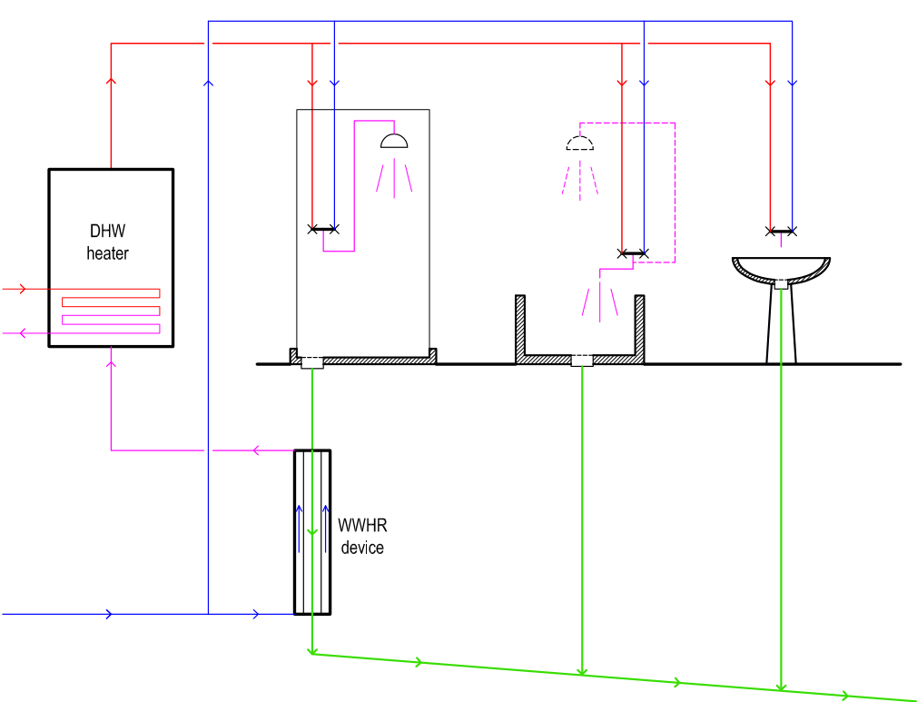
5.5.3.4 TYPE C connection |  |  |  |  |  |  |  |  |  | Shower | 35.0 | 30.72
$$NTU_{wwhr;0}=\frac{η_{wwhr;ci;0}}{1−η_{wwhr;ci;0}}$$
5,3 l/min
Balanced NTU | NTUwwhr;0 |  | - | 1.66 |  |  | Start with balanced flow rate: C*=1
$$k_{wwhr;sec;C}=\frac{θ_{W;draw}−θ_{W;cold,ci}}{θ_{W;dis,ci}−θ_{W;cold,ci}}$$
6,7 l/min
Recoverable fraction of needs | kwwhr;rbl;C,ci |  | p.u. | 0.56 |  |  |  |  |  | Drain | 25.4 | 12.00
$$C_{wwhr;C}^{∗}=k_{wwhr;sec;C}$$
60,0 °C
θ_{W;draw}
Relative flow rate on secondary | C*wwhr,C |  |  | 0.56
$$NTU_{wwhr;C}=\frac{NTU_{wwhr;0}}{C_{wwhr,C}^{∗}}$$
12,0 l/min
40,0 °C
V'_{W;draw}
WWHR device temperatures - C
 | Primary | Secondary
Shower | 35 | 30.723729586
Drain | 25.418557864 | 12
Unbalanced NTU | NTUwwhr;C |  |  | 3.0 |  |  | Assuming UA = constant
$$η_{wwhr;ci;C}=\frac{1−e^{−NTU_{wwhr;C}∙\left(1−C_{wwhr,C}^{∗}\right)}}{1−{C_{wwhr,C}^{∗}∙e}^{−NTU_{wwhr;C}∙\left(1−C_{wwhr,C}^{∗}\right)}}$$
Efficiency of thr wwhr device | hwwhr,ci;C |  |  | 0.8623
35,0 °C
θ_{W;drain}
12,0 l/min
32,2 °C

Auxiliary data for the figure
Drain flow rate |  |  | l/min | 12.00 |  |  |  | 12,0 l/min
Heated flow rate |  |  | l/min | 6.67 |  |  |  | 6,7 l/min
Inlet cold temperature |  |  | °C | 15.00 |  |  |  | 15,0 °C
Inlet high temperature |  |  | °C | 35.00 |  |  |  | 35,0 °C
θ_{W;cold}
V'_{W;wwhr}
Maximum recoverable power |  |  | kW | 9.28
6,7 l/min
15,0 °C
 |  |  |  | 44%
12,0 l/min
25,4 °C
WWHR exchanger actual efficiency |  |  | % | 86.2
Recovered power |  |  | kW | 8.00 | 8.00
Heat recovery global efficiency |  |  | % | 38%
WWHR heated water outlet temperature |  |  | °C | 32.2 |  |  |  | 32,2 °C
Fraction of water to storage |  |  |  | 0.556
Flow rate through store |  |  | l/min | 6.67 |  |  |  | 6,7 l/min
Flow rate on cold water to tap |  |  | l/min | 5.33 |  |  |  | 5,3 l/min
Length of the pipes for preheated water |  |  | m | 12.0
Inner diameter of pipes |  |  | m | 0.016
Volume of preheated water |  |  | l | 2.41
Total volume of preheated water |  |  | l | 4.16
Utilisation factor |  |  |  | 0.93
Final drain temperature |  |  | °C | 25.42 |  |  |  | 25,4 °C

5.5.4 - Determine the correction factor for transient operation

$$V_{shw,ci}={V′}_{shw,ci}∙t_{shw,ci}$$
Shower event flow rate | V'shw,ci |  | l/min | 12.00 | Data transfer |  |  | 12,0 l/min
Shower event duration | tshw,ci |  | min | 5.0 | Data transfer
Shower event volume | Vshw,ci |  | l | 60.0

Volume of water in the shower box and drain | Vshw,box |  | l | 1.00 | data transfer
Volume of water in the wwhr device | Vwwhr;W |  | l | 1.50 | data transfer

$$V_{wwhr;eq;W}=\frac{m_{wwhr;exc}∙c_{wwhr;exc}}{c_{W}∙ρ_{w}}$$
Mass of the wwhr heat exchanger | mwwhr;exc |  | kg | 15.00 | data transfer
Specific heat of the heat exchanger material | cwwhr;exc |  | kWh/kg K | 0.000108 | data transfer
Equivalent volume of water for heat exchanger heat capacity | Vwwhr;eq;W |  | l | 1.39
Length of the pipes for preheated water | lpre |  | m | 12.0 | data transfer
Inner diameter of pipes | din;pre |  | m | 0.0120 | data transfer
$$V_{pre}=\frac{π}{4}∙\sum_{i}{d_{in;pre,i}^{2}∙l_{pre,i}}$$
Volume of preheated water | Vpre |  | l | 1.36
$$V_{trans}=V_{shw;box}+V_{pre}+0,5∙\left(V_{wwhr;w}+V_{wwhr;eq;w}\right)$$
Equivalent volume of preheated water lost because of transient operation per shower event | Vtrans |  | l | 3.80
$$k_{wwhr;use}=1−\frac{V_{trans}}{V_{shw,ci}}$$
Utilisation factor for transient operation | kwwhr;use |  | p.u. | 0.937
5.5.5 - Calculate recovered heat

Connection type | WWHR_CONN |  |  | WWHR_CONN_B | Data transfer | Selection is made in "table" sheet
Index of selection |  |  |  | 2 | Data transfer
Fraction of recoverable heat for selected connection | kwwhr;rbl |  |  | 0.55 | Data selection
Heat exchanger efficiency for the selected connection | hwwhr,ci |  |  | 0.79 | Data selection
$$Q­_{W;wwhr;rvd,ci}=Q_{W;nd;shw,ci}∙k_{wwhr;rbl}∙η_{wwhr,ci}∙k_{wwhr;use,ci}$$
Recovered heat | QW;wwhr;rvd,ci |  | kWh | 0.80
$$θ­_{W;pre,ci}=θ­_{W;cold,ci}+η_{wwhr,ci}∙\left(θ­_{W;drain}−θ­_{W;cold,ci}\right)$$
Preheated water temperature | qW;pre,ci |  | °C | 30.72
$$Q­_{W;wwhr;rvd;shw;A,ci}=Q­_{W;wwhr;rvd,ci}∙\frac{θ_{W;dis,ci}−θ_{W;draw}}{θ_{W;dis,ci}−θ_{W;pre,ci}}$$
Recovered heat through the shower mixer, case A | QW;wwhr;rvd;shw;A,ci |  | kWh | 0.55
$$Q­_{W;wwhr;rvd;shw;B,ci}=Q­_{W;wwhr;rvd,ci}$$
Recovered heat through the shower mixer, case B | QW;wwhr;rvd;shw;B,ci |  | kWh | 0.80
$$Q­_{W;wwhr;rvd;shw;C,ci}=0$$
Recovered heat through the shower mixer, case C | QW;wwhr;rvd;shw;C,ci |  | kWh | 0.00
Recovered heat through the shower mixer (selected value) | QW;wwhr;rvd;shw,ci |  | kWh | 0.80 | Data selection
$$Q­_{W;wwhr;rvd;wh,ci}=Q­_{W;wwhr;rvd,ci}−Q­_{W;wwhr;rvd;shw,ci}$$
Recovered heat through the water heater | QW;wwhr;rvd,wh,ci |  | kWh | 0.00
5.5.6 - Calculate auxiliary energy
Power of auxiliaries | Pwwhr;aux |  | kW | 0.050 | Data transfer
$$t­_{wwhr;aux,ci}=\frac{V_{W;nd;shw,ci}}{V_{shw,ci}^{′}}$$
Operation time of auxiliaries | twwhr;aux,ci |  | h | 0.096
 |  |  | min | 5.75 |  |  | For comparison
$$W­_{wwhr;aux,ci}=P­_{wwhr;aux}∙t­_{wwhr;aux,ci}$$
Energy for auxilairies | Wwwhr;aux,ci |  | kWh | 0.005

UK_SBEM
Description | Symbol | Software name | Unit | Value | Formula ref | Formula | Arrays indexes and values
 |  |  |  |  |  |  | 1 | 2 | 3 | 4 | 5 | 6 | 7 | 8 | 9 | 10 | 11 | 12 | 13 | 14 | 15 | 16 | 17 | 18 | 19 | 20 | 21 | 22 | 23 | 24 | 25 | 26 | 27 | 28 | 29 | 30 | 31 | 32 | 33 | 34 | 35 | 36 | 37 | 38 | 39 | 40

GENERAL DATA
Total floor area | TFA |  | m² | 120.00
Reference temperature at the tap fore shower | Ttap |  |  | 41.00
Reference temperature at the tap for bath |  |  |  | 42.00
Reference temperature for distribution | Tdistr |  |  | 52.00 |  |  |  |  |  |  |  |  |  |  |  |  |  |  | Average | Total
Cold water temperature |  |  |  | Tank |  |  | 11.1 | 11.3 | 12.3 | 14.5 | 16.2 | 18.8 | 21.3 | 19.3 | 18.7 | 16.2 | 13.2 | 11.2 | 15.3
 |  |  |  | Main |  |  | 8 | 8.2 | 9.3 | 12.7 | 14.6 | 16.7 | 18.4 | 17.6 | 16.6 | 14.3 | 11.1 | 8.5 | 13.0
 | Tcold,m |  |  | Tank |  | Table J1, monthly values | 11.1 | 11.3 | 12.3 | 14.5 | 16.2 | 18.8 | 21.3 | 19.3 | 18.7 | 16.2 | 13.2 | 11.2
Number of occupants | N |  | n | 2.86
Number of showers | Noutlets |  | n | 2.00 |  | Not strictly relevant. Used to average according to the type of showers. Type of showers influecnes the dhw needs.
Shower flow rate |  |  | l/min | 11.00

There are baths? |  |  |  | TRUE

Number of showers per day |  |  |  | 1.94 | J1
Behaviour factor |  |  |  | 1.00 |  | Table J5 (changes according to month, nearly 1) | 1.035 | 1.021 | 1.007 | 0.993 | 0.979 | 0.965 | 0.965 | 0.979 | 0.993 | 1.007 | 1.021 | 1.035 | 1.0
Shower duration |  |  | min | 6.00 | Text
Water volume at the tap |  |  | l/day | 127.94 | J2 | Needs are at 41 °C | 132.4 | 130.6 | 128.8 | 127.0 | 125.3 | 123.5 | 123.5 | 125.3 | 127.0 | 128.8 | 130.6 | 132.4 | 127.9
Water volume from distribution | Vd,shower,m |  | l/day | Array | J3 | Volume at 52 °C | 96.8 | 95.3 | 93.1 | 89.8 | 86.8 | 82.6 | 79.2 | 83.1 | 85.1 | 89.2 | 93.6 | 96.7 | 89.3
Yearly average | Vd,shower,ave |  | l/day | 89.25 | J4 | At 52 °C
Days in the month |  |  | n |  |  |  | 31 | 28 | 31 | 30 | 31 | 30 | 31 | 31 | 30 | 31 | 30 | 31 | 365
Volume of hot water at the tap |  |  | l/month |  | J5 | At 41°C | 4,105 | 3,658 | 3,994 | 3,811 | 3,883 | 3,704 | 3,827 | 3,883 | 3,811 | 3,994 | 3,919 | 4,105 |  | 46,694

Number of baths | Nbaths |  | n | 1
There are showers? |  |  |  | TRUE
Number of baths per day |  |  | n | 0.56
Bath volume |  |  | l | 73.00
Water volume at the tap |  |  |  |  |  |  | 42.48 | 41.90 | 41.33 | 40.76 | 40.18 | 39.61 | 39.61 | 40.18 | 40.76 | 41.33 | 41.90 | 42.48 | 41.0
Design under 125 l/day? |  |  |  | No |  |  | Yes | No
Corrected water volume at the tap |  |  |  | 1.00 |  |  | 42.48 | 41.90 | 41.33 | 40.76 | 40.18 | 39.61 | 39.61 | 40.18 | 40.76 | 41.33 | 41.90 | 42.48 | 41.0
Water volume from distribution | Vd,bath,m |  |  | Array | J8 |  | 34.3 | 33.8 | 33.4 | 32.9 | 32.5 | 32.0 | 32.0 | 32.5 | 32.9 | 33.4 | 33.8 | 34.3 | 33.1
Yearly average | Vd,bath,ave |  |  | 33.15 | J9
Volume of hot water from distribution (bath) |  |  |  |  | J10 |  | 1,028 | 928 | 1,028 | 994 | 1,028 | 994 | 1,028 | 1,028 | 994 | 1,028 | 994 | 1,028 |  | 12,099

DHW use l/day @52°C
Other uses
Daily dhw use |  |  | l/day | 42.06 | J11
Corrected dhw use others | Vd;other,ave |  | l/day | 42.06
Monthly correction |  |  |  |  |  |  | 1.1 | 1.06 | 1.02 | 0.98 | 0.94 | 0.9 | 0.9 | 0.94 | 0.98 | 1.02 | 1.06 | 1.1 | 1.0
Monthly volume other uses | Vd;other,m |  | l/day |  |  |  | 46 | 44.6 | 42.9 | 41.2 | 39.5 | 37.9 | 37.9 | 39.5 | 41.2 | 42.9 | 44.6 | 46.3 | 42.1
Volume of hot water from distribution (other) |  |  | l/month |  |  |  | 1,434 | 1,248 | 1,330 | 1,237 | 1,226 | 1,136 | 1,173 | 1,226 | 1,237 | 1,330 | 1,338 | 1,434 |  | 15,348

Annual average dhw use | Vd,ave |  | l/day | 164.45 |  | It is at 52 °C
Monthly water usage | Vd,m |  | l/day | Array |  |  | 177.4 | 173.8 | 169.4 | 163.9 | 158.8 | 152.4 | 149.1 | 155.1 | 159.2 | 165.5 | 172.0 | 177.3 | 164.5

Monthly energy need | Qw,nd,m |  | kWh/month |  |  |  | 261 | 230 | 242 | 214 | 205 | 176 | 165 | 183 | 185 | 213 | 232 | 260 |  | 2,566
Yearly energy needs | Qw,nd,m |  | kWh/year | 2,566

Distribution heat losses |  |  | p.u | 0.15
 |  |  | kWh/month |  |  |  | 39.2 | 34.5 | 36.3 | 32.1 | 30.7 | 26.4 | 24.7 | 27.4 | 27.7 | 32.0 | 34.9 | 39.1 |  | 385

Distribution of needs
Shower |  |  | l/day | 89.25 | Shower | 54%
Bath |  |  | l/day | 33.15 | Bath | 20%
Other |  |  | l/day | 42.06 | Other | 26%

Cilinder (storage) loss factor |  |  | kWh/day | 1.20
Temperature factor |  |  |  | 0.60 |  | Table 2b
Energy lost |  |  | kWh/day | 0.72
Energy lost |  |  | kWh/month |  |  |  | 22.3 | 20.2 | 22.3 | 21.6 | 22.3 | 21.6 | 22.3 | 22.3 | 21.6 | 22.3 | 21.6 | 22.3 |  | 263

Distribution losses |  |  | kWh/month |  |  |  | 0 | 0 | 0 | 0 | 0 | 0 | 0 | 0 | 0 | 0 | 0 | 0 |  | 0

Solar contribution |  |  | kWh/month |  |  |  | 0 | 0 | 0 | 0 | 0 | 0 | 0 | 0 | 0 | 0 | 0 | 0 |  | 0

Volume going to HR

TYPE A
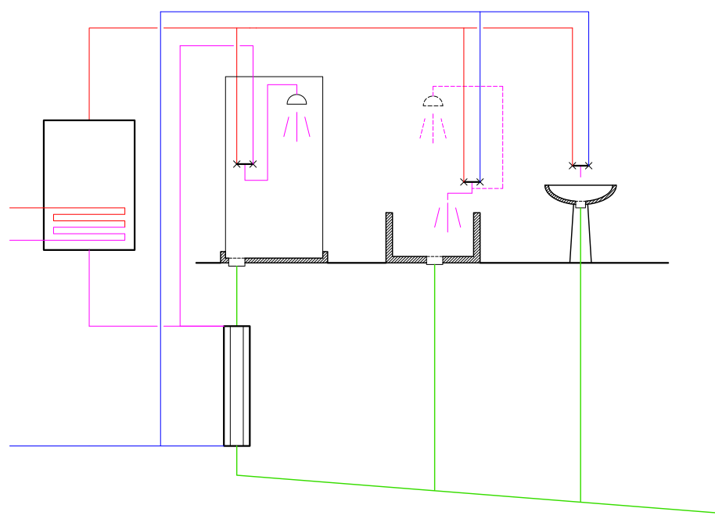
Inlet to showers | Vww,k,m |  | l/month |  |  |  | 4,105 | 3,658 | 3,994 | 3,811 | 3,883 | 3,704 | 3,827 | 3,883 | 3,811 | 3,994 | 3,919 | 4,105 |  | 46,694
Inlet temperature to wwhr device |  |  | °C | 35.00
Energy contents of inlet |  |  | kWh | 1068.60 |  |  | 114 | 101 | 105 | 91 | 85 | 70 | 61 | 71 | 72 | 87 | 99 | 113 |  | 1,069
Flow rate |  |  | l/min | 11.00
Select device
Zypho, PiPe 65 , System A | 4
Efficiency |  |  | % | 59.70
Utilisation factor |  |  | p.u. | 0.96

Recovered heat |  |  | kWh | 611.16 |  |  | 65.2 | 57.6 | 60.2 | 51.9 | 48.5 | 39.8 | 34.8 | 40.5 | 41.3 | 49.9 | 56.7 | 64.9 |  | 611
 |  |  | % | 24% |  |  | 0.25 | 0.250 | 0.249 | 0.242 | 0.237 | 0.226 | 0.211 | 0.222 | 0.223 | 0.234 | 0.244 | 0.249
Correction to WWHR efficiency |  |  |  | 0.40

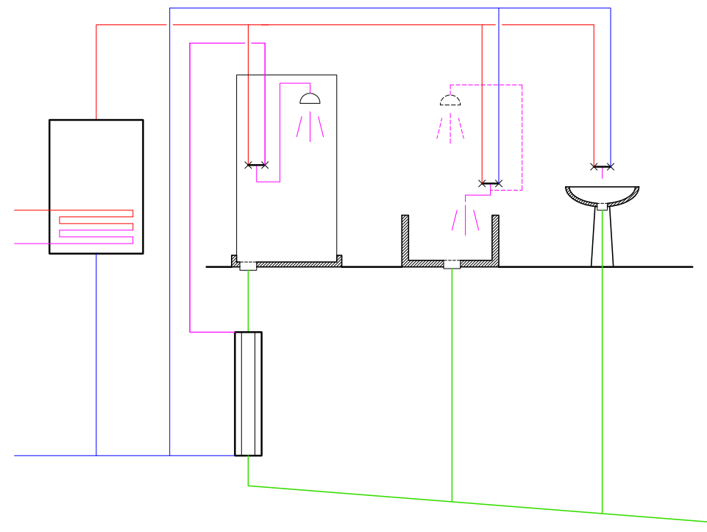
TYPE B

Inlet to showers | Vww,k,m |  | l/month |  |  |  | 4,105 | 3,658 | 3,994 | 3,811 | 3,883 | 3,704 | 3,827 | 3,883 | 3,811 | 3,994 | 3,919 | 4,105 |  | 46,694
Inlet temperature to wwhr device |  |  | °C | 35.00
Energy contents of inlet |  |  | kWh | 1068.60 |  |  | 114 | 101 | 105 | 91 | 85 | 70 | 61 | 71 | 72 | 87 | 99 | 113 |  | 1,069
Flow rate |  |  | l/min | 11.00
Select device
Zypho, PiPe 65 , System A | 4
Efficiency |  |  | % | 44.70
Utilisation factor |  |  | p.u. | 0.94

Recovered heat |  |  | kWh | 447.57 |  |  | 47.7 | 42.2 | 44.1 | 38.0 | 35.5 | 29.2 | 25.5 | 29.6 | 30.2 | 36.5 | 41.5 | 47.5 |  | 448
 |  |  | % | 17% |  |  | 0.18 | 0.183 | 0.182 | 0.177 | 0.174 | 0.166 | 0.155 | 0.162 | 0.164 | 0.171 | 0.179 | 0.182
Correction to WWHR efficiency |  |  |  | 0.39

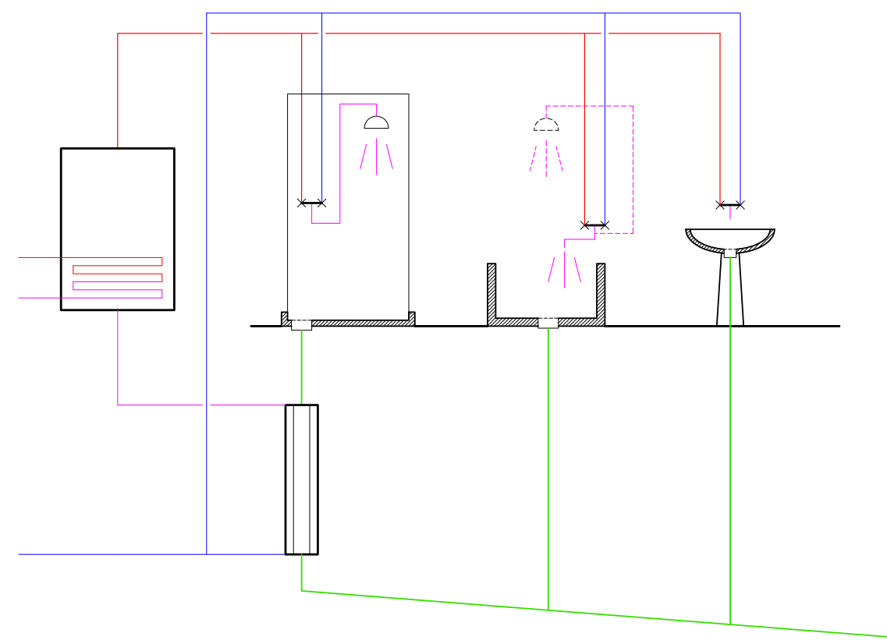
TYPE C

Inlet to showers | Vww,k,m |  | l/month |  |  |  | 4,105 | 3,658 | 3,994 | 3,811 | 3,883 | 3,704 | 3,827 | 3,883 | 3,811 | 3,994 | 3,919 | 4,105 |  | 46,694
Inlet temperature to wwhr device |  |  | °C | 35.00
Energy contents of inlet |  |  | kWh | 1068.60 |  |  | 114 | 101 | 105 | 91 | 85 | 70 | 61 | 71 | 72 | 87 | 99 | 113 |  | 1,069
Flow rate |  |  | l/min | 11.00
Select device
Zypho, PiPe 65 , System A | 4
Efficiency |  |  | % | 53.40
Utilisation factor |  |  | p.u. | 0.95

Recovered heat |  |  | kWh | 542.10 |  |  | 57.8 | 51.1 | 53.4 | 46.0 | 43.0 | 35.3 | 30.9 | 35.9 | 36.6 | 44.2 | 50.3 | 57.5 |  | 542
 |  |  | % | 21% |  |  | 0.22 | 0.222 | 0.221 | 0.215 | 0.210 | 0.201 | 0.187 | 0.197 | 0.198 | 0.207 | 0.216 | 0.221
Correction to WWHR efficiency |  |  |  | 0.40

A_B_C_Comparison
Description | Symbol | Software name | Unit | Value | Formula ref | Formula

GENERAL DATA
Reference temperature at the tap for shower | qw;draw |  |  | 40.00 | 40,0 °C
Temperature at the distribution (storage) | qw;dis |  |  | 60.00 | 60,0 °C
Cold water temperature | qw;cold |  |  | 12.0 | 12,0 °C | Table J1, monthly values
Shower flow rate | V'w;draw |  | l/min | 12.00 | 12,0 l/min
Fraction of mass flow at the drain | xw;drain |  |  | 1.00
Temperature at shower drain | qw;drain |  |  | 35.00 | 35,0 °C
Distribution flow rate |  |  | l/min | 7.00

Shower power | Fw;draw |  | kW | 23.39
Power at the drain, no mass losses | Fw;drain;max |  | kW | 19.21 | 82%
Flow rate at the drain | V'w;drain |  | l/min | 12.00
Power at the drain | Fw;drain |  | kW | 19.21 | 82%

Dhw need for a showering event
Shower duration |  |  | min | 5.0
Volume needs |  |  | l | 60.0
Energy needs |  |  | kWh | 1.95

Volume of water in the shower basin and drain |  |  | l | 2.00
Volume of water in the wwhr device |  |  | l | 3.00

TYPE A |  |  |  |  |  |  |  | 35.0 | 28.10
 |  |  |  |  |  |  |  | 18.9 | 12.00
Heated flow rate |  |  | l/min | 12.00 | 12,0 l/min
Drain flow rate |  |  | l/min | 12.00 | 12,0 l/min
4,5 l/min
7,5 l/min
Inlet cold temperature |  |  | °C | 12.00 | 12,0 °C
Inlet high temperature |  |  | °C | 35.00 | 35,0 °C
Maximum recoverable power |  |  | kW | 19.21
60,0 °C
WWHR device temperatures - A
 |  |  |  | 82%
V'_{W;draw}
θ_{W;dis}
WWHR exchanger actual efficiency |  |  | % | 70
12,0 l/min
Recovered power |  |  | kW | 13.4
40,0 °C
θ_{W;draw}
Heat recovery global efficiency |  |  | % | 58%

θ_{W;drain}
35,0 °C
WWHR heated water outlet temperature |  |  | °C | 28.1 | 28,1 °C
Fraction of water to storage |  | 0.62695924765 |  | 0.373
Flow rate through store |  |  | l/min | 4.48 | 4,5 l/min
12,0 l/min
Flow rate on cold water to tap |  |  | l/min | 7.52 | 7,5 l/min
V'_{W;drain}
28,1 °C
12,0 l/min
Length of the pipes for preheated water |  |  | m | 15.0
Inner diameter of pipes |  |  | m | 0.016
Volume of preheated water |  |  | l | 3.02

θ_{W;cold}
Total volume of preheated water |  |  | l | 6.52
Utilisation factor |  |  |  | 0.89
12,0 °C
12,0 l/min
12,0 l/min
18,9 °C
Final drain temperatura |  |  | °C | 18.90 | 18,9 °C
V'_{W;wwhr}

TYPE B |  |  |  |  |  |  |  | 35.0 | 28.10
 |  |  |  |  |  |  |  | 23.8 | 12.00
Heated flow rate | V'w;wwhr |  | l/min | 7.80 | 7,8 l/min
WWHR device temperatures - B
Drain flow rate | V'w;drain |  | l/min | 12.00 | 12,0 l/min
4,2 l/min
7,8 l/min
Inlet cold temperature | qw;cold |  | °C | 12.00 | 12,0 °C
Inlet high temperature | qw;drain |  | °C | 35.00 | 35,0 °C
Maximum recoverable power |  |  | kW | 12.49
60,0 °C
 |  | 0.53426248548 |  | 53%
V'_{W;draw}
θ_{W;dis}
WWHR exchanger actual efficiency |  |  | % | 75
12,0 l/min
Recovered power |  |  | kW | 9.4
40,0 °C
θ_{W;draw}
Heat recovery global efficiency |  |  | % | 40%

θ_{W;drain}
35,0 °C
WWHR heated water outlet temperature |  | 29.25 | °C | 29.25 | 29,3 °C
Fraction of water to storage | 1.000 | 0.65040650407 |  | 0.350
Flow rate through store |  |  | l/min | 4.20 | 4,2 l/min
Flow rate on cold water to tap |  | 7.8048780488 | l/min | 7.80 | 7,8 l/min
12,0 l/min
29,3 °C
Length of the pipes for preheated water |  |  | m | 3.0
Inner diameter of pipes |  |  | m | 0.016
Volume of preheated water |  |  | l | 0.60

θ_{W;cold}
Total volume of preheated water |  |  | l | 4.10
Utilisation factor |  |  |  | 0.93
12,0 °C
7,8 l/min
12,0 l/min
23,8 °C
Final drain temperatura |  |  | °C | 23.78 | 23,8 °C
V'_{W;wwhr}

 |  |  |  |  |  |  |  | Primary | Secondary
TYPE C |  |  |  |  |  |  | Shower | 35.0 | 29.25
 |  |  |  |  |  |  | Drain | 24.9 | 12.00
Heated flow rate |  |  | l/min | 7.00 | 7,0 l/min
5,0 l/min
WWHR device temperatures - C
Drain flow rate |  |  | l/min | 12.00 | 12,0 l/min
7,0 l/min
Inlet cold temperature |  |  | °C | 12.00 | 12,0 °C
Inlet high temperature |  |  | °C | 35.00 | 35,0 °C
Maximum recoverable power |  |  | kW | 11.21
60,0 °C
 |  |  |  | 48%
V'_{W;draw}
WWHR exchanger actual efficiency |  |  | % | 75
12,0 l/min
Recovered power |  |  | kW | 8.40
40,0 °C
θ_{W;draw}
Heat recovery global efficiency |  |  | % | 36%

θ_{W;drain}
35,0 °C
WWHR heated water outlet temperature |  |  | °C | 29.2 | 29,3 °C
Fraction of water to storage |  |  |  | 0.583
Flow rate through store |  |  | l/min | 7.00 | 7,0 l/min
Flow rate on cold water to tap |  |  | l/min | 5.00 | 5,0 l/min
12,0 l/min
29,3 °C
Length of the pipes for preheated water |  |  | m | 12.0
Inner diameter of pipes |  |  | m | 0.016
Volume of preheated water |  |  | l | 2.41

Total volume of preheated water |  |  | l | 5.91
Utilisation factor |  |  |  | 0.90
θ_{W;cold}
12,0 °C
7,0 l/min
12,0 l/min
Final drain temperature |  |  | °C | 24.94 | 24,9 °C
 |  |  |  | 8.40
V'_{W;wwhr}
24,9 °C

A_B_C_Comparison_2
Description | Symbol | Software name | Unit | Value | Value | Value | Value | Value | Value | Value | Value | Value | Value | Value
Maximum recoverable power
Maximum recoverable percentage of needs(steady state, no transient losses)
GENERAL DATA

Reference temperature at the tap for shower | qw;draw |  |  | 40.00 | 40.00 | 40.00 | 40.00 | 40.00 | 40.00 | 40.00 | 40.00 | 40.00 | 40.00 | 40.00
Temperature at the distribution (storage) | qw;dis |  |  | 60.00 | 58.00 | 56.00 | 54.00 | 52.00 | 50.00 | 48.00 | 46.00 | 44.00 | 42.00 | 40.00
Cold water temperature | qw;cold |  |  | 12.0 | 12.0 | 12.0 | 12.0 | 12.0 | 12.0 | 12.0 | 12.0 | 12.0 | 12.0 | 12.0
Shower flow rate | V'w;draw |  | l/min | 12.00 | 12.00 | 12.00 | 12.00 | 12.00 | 12.00 | 12.00 | 12.00 | 12.00 | 12.00 | 12.00
Fraction of mass flow at the drain | xw;drain |  |  | 1.00 | 1.00 | 1.00 | 1.00 | 1.00 | 1.00 | 1.00 | 1.00 | 1.00 | 1.00 | 1.00
Temperature at shower drain | qw;drain |  |  | 35.00 | 35.00 | 35.00 | 35.00 | 35.00 | 35.00 | 35.00 | 35.00 | 35.00 | 35.00 | 35.00
Distribution flow rate |  |  | l/min | 7.00 | 7.30 | 7.64 | 8.00 | 8.40 | 8.84 | 9.33 | 9.88 | 10.50 | 11.20 | 12.00

Shower power | Fw;draw |  | kW | 23.39 | 23.39 | 23.39 | 23.39 | 23.39 | 23.39 | 23.39 | 23.39 | 23.39 | 23.39 | 23.39
Power at the drain, no mass losses | Fw;drain;max |  | kW | 19.21 | 19.21 | 19.21 | 19.21 | 19.21 | 19.21 | 19.21 | 19.21 | 19.21 | 19.21 | 19.21
Flow rate at the drain | V'w;drain |  | l/min | 12.00 | 12.00 | 12.00 | 12.00 | 12.00 | 12.00 | 12.00 | 12.00 | 12.00 | 12.00 | 12.00
Power at the drain | Fw;drain |  | kW | 19.21 | 19.21 | 19.21 | 19.21 | 19.21 | 19.21 | 19.21 | 19.21 | 19.21 | 19.21 | 19.21

TYPE A

Heated flow rate |  |  | l/min | 12.00 | 12.00 | 12.00 | 12.00 | 12.00 | 12.00 | 12.00 | 12.00 | 12.00 | 12.00 | 12.00
Drain flow rate |  |  | l/min | 12.00 | 12.00 | 12.00 | 12.00 | 12.00 | 12.00 | 12.00 | 12.00 | 12.00 | 12.00 | 12.00
Inlet cold temperature |  |  | °C | 12.00 | 12.00 | 12.00 | 12.00 | 12.00 | 12.00 | 12.00 | 12.00 | 12.00 | 12.00 | 12.00
Inlet high temperature |  |  | °C | 35.00 | 35.00 | 35.00 | 35.00 | 35.00 | 35.00 | 35.00 | 35.00 | 35.00 | 35.00 | 35.00
Maximum recoverable power |  |  | kW | 19.21 | 19.21 | 19.21 | 19.21 | 19.21 | 19.21 | 19.21 | 19.21 | 19.21 | 19.21 | 19.21
 |  |  | % | 82% | 82% | 82% | 82% | 82% | 82% | 82% | 82% | 82% | 82% | 82%

Frazione recuperabile del fabbisogno(a regime, escluso transitori)
WWHR exchanger actual efficiency |  |  | % | 25 | 25 | 25 | 25 | 25 | 25 | 25 | 25 | 25 | 25 | 25
Recovered power |  |  | kW | 4.8 | 4.8 | 4.8 | 4.8 | 4.8 | 4.8 | 4.8 | 4.8 | 4.8 | 4.8 | 4.8
Heat recovery global efficiency |  |  | % | 21% | 21% | 21% | 21% | 21% | 21% | 21% | 21% | 21% | 21% | 21%

WWHR heated water outlet temperature |  |  | °C | 17.8 | 17.8 | 17.8 | 17.8 | 17.8 | 17.8 | 17.8 | 17.8 | 17.8 | 17.8 | 17.8
Fraction of water to storage |  |  |  | 0.527 | 0.553 | 0.582 | 0.614 | 0.650 | 0.690 | 0.736 | 0.788 | 0.848 | 0.918 | 1.000
Flow rate through store |  |  | l/min | 6.32 | 6.63 | 6.98 | 7.37 | 7.80 | 8.28 | 8.83 | 9.45 | 10.17 | 11.01 | 12.00
Flow rate on cold water to tap |  |  | l/min | 5.68 | 5.37 | 5.02 | 4.63 | 4.20 | 3.72 | 3.17 | 2.55 | 1.83 | 0.99 | 0.00

TYPE A - h 75% |  |  |  | 62% | 62% | 62% | 62% | 62% | 62% | 62% | 62% | 62% | 62% | 62%
TYPE A - h 50% |  |  |  | 41% | 41% | 41% | 41% | 41% | 41% | 41% | 41% | 41% | 41% | 41%
TYPE A - h 25% |  |  |  | 21% | 21% | 21% | 21% | 21% | 21% | 21% | 21% | 21% | 21% | 21%

TYPE B

Heated flow rate | V'w;wwhr |  | l/min | 9.60 | 9.39 | 9.14 | 8.84 | 8.47 | 8.00 | 7.38 | 6.55 | 5.33 | 3.43 | 0.00
Drain flow rate | V'w;drain |  | l/min | 12.00 | 12.00 | 12.00 | 12.00 | 12.00 | 12.00 | 12.00 | 12.00 | 12.00 | 12.00 | 12.00
Inlet cold temperature | qw;cold |  | °C | 12.00 | 12.00 | 12.00 | 12.00 | 12.00 | 12.00 | 12.00 | 12.00 | 12.00 | 12.00 | 12.00
Inlet high temperature | qw;drain |  | °C | 35.00 | 35.00 | 35.00 | 35.00 | 35.00 | 35.00 | 35.00 | 35.00 | 35.00 | 35.00 | 35.00
Total recovery efficiency with heat exchanger efficiency 75%(steady state, no transient)
Maximum recoverable power |  |  | kW | 15.37 | 15.03 | 14.64 | 14.15 | 13.56 | 12.81 | 11.82 | 10.48 | 8.54 | 5.49 | 0.00
TYPE B - eff 100% |  |  |  | 15.37 | 15.03 | 14.64 | 14.15 | 13.56 | 12.81 | 11.82 | 10.48 | 8.54 | 5.49 | 0.00
TYPE B - eff 75% |  |  |  | 12.49 | 12.03 | 11.49 | 10.87 | 10.13 | 9.26 | 8.20 | 6.88 | 5.21 | 3.01 | 0.00
TYPE B - eff 50% |  |  |  | 10.53 | 10.02 | 9.46 | 8.82 | 8.09 | 7.25 | 6.27 | 5.12 | 3.75 | 2.08 | 0.00
TYPE B - eff 25% |  |  |  | 9.09 | 8.59 | 8.04 | 7.42 | 6.73 | 5.96 | 5.08 | 4.08 | 2.93 | 1.58 | 0.00
TYPE B - eff 100% |  |  | % | 66% | 64% | 63% | 61% | 58% | 55% | 51% | 45% | 37% | 23% | 0%
TYPE B - h 75% |  |  | % | 53% | 51% | 49% | 46% | 43% | 40% | 35% | 29% | 22% | 13% | 0%
TYPE B - h 50% |  |  | % | 45% | 43% | 40% | 38% | 35% | 31% | 27% | 22% | 16% | 9% | 0%
TYPE B - h 25% |  |  | % | 39% | 37% | 34% | 32% | 29% | 25% | 22% | 17% | 13% | 7% | 0%

WWHR exchanger actual efficiency |  |  | % | 100 | 100 | 100 | 100 | 100 | 100 | 100 | 100 | 100 | 100 | 100
Recovered power |  |  | kW | 15.4 | 15.0 | 14.6 | 14.2 | 13.6 | 12.8 | 11.8 | 10.5 | 8.5 | 5.5 | 0.0
Heat recovery global efficiency |  |  | % | 66% | 64% | 63% | 61% | 58% | 55% | 51% | 45% | 37% | 23% | 0%

WWHR heated water outlet temperature |  |  | °C | 35.0 | 35.0 | 35.0 | 35.0 | 35.0 | 35.0 | 35.0 | 35.0 | 35.0 | 35.0 | #DIV/0!
Fraction of water to storage |  |  |  | 0.200 | 0.217 | 0.238 | 0.263 | 0.294 | 0.333 | 0.385 | 0.455 | 0.556 | 0.714 | #DIV/0!
Flow rate through store |  |  | l/min | 2.40 | 2.61 | 2.86 | 3.16 | 3.53 | 4.00 | 4.62 | 5.45 | 6.67 | 8.57 | #DIV/0!
Flow rate on cold water to tap |  |  | l/min | 9.60 | 9.39 | 9.14 | 8.84 | 8.47 | 8.00 | 7.38 | 6.55 | 5.33 | 3.43 | #DIV/0!

TYPE B - h 75% |  |  |  | 40% | 39% | 37% | 35% | 32% | 30% | 26% | 22% | 17% | 10% | 0%
TYPE B - h 50% |  |  |  | 23% | 21% | 20% | 19% | 17% | 15% | 13% | 11% | 8% | 4% | 0%
TYPE B - h 25% |  |  |  | 10% | 9% | 9% | 8% | 7% | 6% | 5% | 4% | 3% | 2% | 0%

TYPE C

Total recovery efficiency with heat exchanger efficiency 50%(steady state, no transient)
Heated flow rate |  |  | l/min | 7.00 | 7.30 | 7.64 | 8.00 | 8.40 | 8.84 | 9.33 | 9.88 | 10.50 | 11.20 | 12.00
Drain flow rate |  |  | l/min | 12.00 | 12.00 | 12.00 | 12.00 | 12.00 | 12.00 | 12.00 | 12.00 | 12.00 | 12.00 | 12.00
Inlet cold temperature |  |  | °C | 12.00 | 12.00 | 12.00 | 12.00 | 12.00 | 12.00 | 12.00 | 12.00 | 12.00 | 12.00 | 12.00
Inlet high temperature |  |  | °C | 35.00 | 35.00 | 35.00 | 35.00 | 35.00 | 35.00 | 35.00 | 35.00 | 35.00 | 35.00 | 35.00
Maximum recoverable power |  |  | kW | 11.21 | 11.69 | 12.22 | 12.81 | 13.45 | 14.15 | 14.94 | 15.82 | 16.81 | 17.93 | 19.21
 |  |  | % | 48% | 50% | 52% | 55% | 57% | 61% | 64% | 68% | 72% | 77% | 82%

WWHR exchanger actual efficiency |  |  | % | 25 | 25 | 25 | 25 | 25 | 25 | 25 | 25 | 25 | 25 | 25
Recovered power |  |  | kW | 2.8 | 2.9 | 3.1 | 3.2 | 3.4 | 3.5 | 3.7 | 4.0 | 4.2 | 4.5 | 4.8
Heat recovery global efficiency |  |  | % | 12% | 13% | 13% | 14% | 14% | 15% | 16% | 17% | 18% | 19% | 21%

WWHR heated water outlet temperature |  |  | °C | 17.8 | 17.8 | 17.8 | 17.8 | 17.8 | 17.8 | 17.8 | 17.8 | 17.8 | 17.8 | 17.8
Fraction of water to storage |  |  |  | 0.583 | 0.609 | 0.636 | 0.667 | 0.700 | 0.737 | 0.778 | 0.824 | 0.875 | 0.933 | 1.000
Flow rate through store |  |  | l/min | 7.00 | 7.30 | 7.64 | 8.00 | 8.40 | 8.84 | 9.33 | 9.88 | 10.50 | 11.20 | 12.00
Flow rate on cold water to tap |  |  | l/min | 5.00 | 4.70 | 4.36 | 4.00 | 3.60 | 3.16 | 2.67 | 2.12 | 1.50 | 0.80 | 0.00

TYPE C - h 75% |  |  |  | 36% | 38% | 39% | 41% | 43% | 45% | 48% | 51% | 54% | 58% | 62%
TYPE C - h 50% |  |  |  | 24% | 25% | 26% | 27% | 29% | 30% | 32% | 34% | 36% | 38% | 41%
TYPE C - h 25% |  |  |  | 12% | 13% | 13% | 14% | 14% | 15% | 16% | 17% | 18% | 19% | 21%

A_B_C_Comparison 3
Description | Symbol | Software name | Unit | Value | Formula ref | Formula

GENERAL DATA
Reference temperature at the tap for shower | qw;draw |  |  | 40.00 | 40,0 °C
Temperature at the distribution (storage) | qw;dis |  |  | 60.00 | 60,0 °C
Cold water temperature | qw;cold |  |  | 12.0 | 12,0 °C | Table J1, monthly values
Shower flow rate | V'w;draw |  | l/min | 12.00 | 12,0 l/min
Fraction of mass flow at the drain | xw;drain |  |  | 1.00
Temperature at shower drain | qw;drain |  |  | 35.00 | 35,0 °C
Distribution flow rate |  |  | l/min | 7.00

Shower power | Fw;draw |  | kW | 23.39
Power at the drain, no mass losses | Fw;drain;max |  | kW | 19.21 | 82%
Flow rate at the drain | V'w;drain |  | l/min | 12.00
Power at the drain | Fw;drain |  | kW | 19.21 | 82%

Dhw need for a showering event
Shower duration |  |  | min | 5.0
Volume needs |  |  | l | 60.0
Energy needs |  |  | kWh | 1.95

Volume of water in the shower basin and drain |  |  | l | 2.00
Volume of water in the wwhr device |  |  | l | 3.00

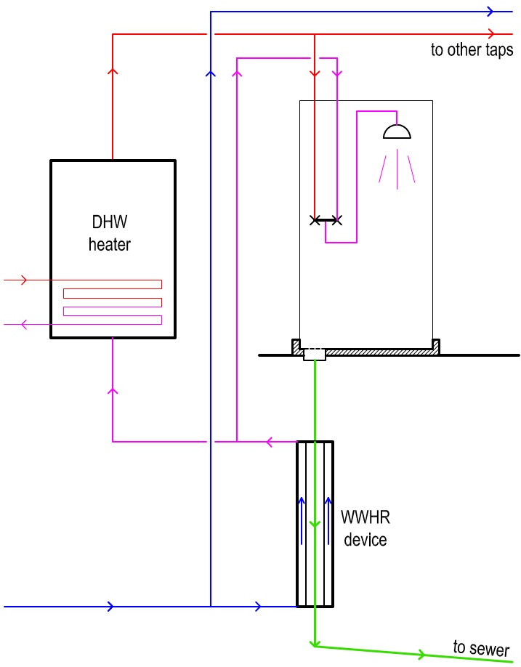
TYPE A

4,5 l/min
7,5 l/min
Heated flow rate |  |  | l/min | 12.00 | 12,0 l/min
Drain flow rate |  |  | l/min | 12.00 | 12,0 l/min
Inlet cold temperature |  |  | °C | 12.00 | 12,0 °C
Inlet high temperature |  |  | °C | 35.00 | 35,0 °C
Maximum recoverable power |  |  | kW | 19.21
60,0 °C
 |  |  |  | 82%
12,0 l/min
WWHR exchanger actual efficiency |  |  | % | 70
40,0 °C
Recovered power |  |  | kW | 13.4
Heat recovery global efficiency |  |  | % | 58%

35,0 °C
WWHR heated water outlet temperature |  |  | °C | 28.1 | 28,1 °C
Fraction of water to storage |  |  |  | 0.373
Flow rate through store |  |  | l/min | 4.48 | 4,5 l/min
12,0 l/min
Flow rate on cold water to tap |  |  | l/min | 7.52 | 7,5 l/min

28,1 °C
12,0 l/min
Length of the pipes for preheated water |  |  | m | 15.0
Inner diameter of pipes |  |  | m | 0.014
Volume of preheated water |  |  | l | 2.31

Total volume of preheated water |  |  | l | 5.81
Utilisation factor |  |  |  | 0.90
12,0 °C
12,0 l/min
12,0 l/min

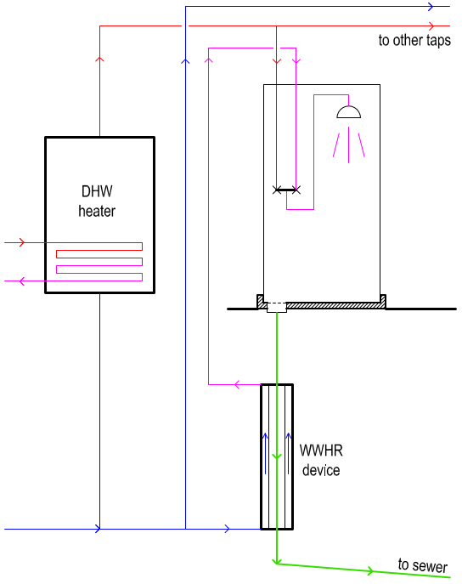
TYPE B

4,2 l/min
7,8 l/min
Heated flow rate | V'w;wwhr |  | l/min | 7.80 | 7,8 l/min
Drain flow rate | V'w;drain |  | l/min | 12.00 | 12,0 l/min
Inlet cold temperature | qw;cold |  | °C | 12.00 | 12,0 °C
Inlet high temperature | qw;drain |  | °C | 35.00 | 35,0 °C
Maximum recoverable power |  |  | kW | 12.49
60,0 °C
 |  |  |  | 53%
12,0 l/min
WWHR exchanger actual efficiency |  |  | % | 75
40,0 °C
Recovered power |  |  | kW | 9.4
Heat recovery global efficiency |  |  | % | 40%

35,0 °C
WWHR heated water outlet temperature |  |  | °C | 29.2 | 29,3 °C
Fraction of water to storage |  |  |  | 0.350
Flow rate through store |  |  | l/min | 4.20 | 4,2 l/min
Flow rate on cold water to tap |  |  | l/min | 7.80 | 7,8 l/min
12,0 l/min
29,3 °C
7,8 l/min
Length of the pipes for preheated water |  |  | m | 3.0
Inner diameter of pipes |  |  | m | 0.014
Volume of preheated water |  |  | l | 0.46

Total volume of preheated water |  |  | l | 3.96
Utilisation factor |  |  |  | 0.93
12,0 °C
12,0 l/min

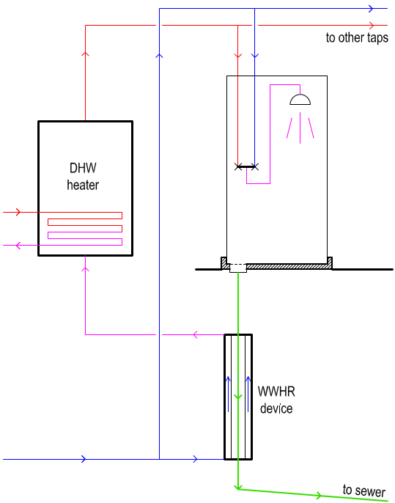
TYPE C

5,0 l/min
7,0 l/min
Heated flow rate |  |  | l/min | 7.00 | 7,0 l/min
Drain flow rate |  |  | l/min | 12.00 | 12,0 l/min
Inlet cold temperature |  |  | °C | 12.00 | 12,0 °C
Inlet high temperature |  |  | °C | 35.00 | 35,0 °C
Maximum recoverable power |  |  | kW | 11.21
60,0 °C
 |  |  |  | 48%
12,0 l/min
WWHR exchanger actual efficiency |  |  | % | 80
40,0 °C
Recovered power |  |  | kW | 9.0
Heat recovery global efficiency |  |  | % | 38%

35,0 °C
WWHR heated water outlet temperature |  |  | °C | 30.4 | 30,4 °C
Fraction of water to storage |  |  |  | 0.583
Flow rate through store |  |  | l/min | 7.00 | 7,0 l/min
Flow rate on cold water to tap |  |  | l/min | 5.00 | 5,0 l/min
12,0 l/min
30,4 °C
7,0 l/min
Length of the pipes for preheated water |  |  | m | 12.0
Inner diameter of pipes |  |  | m | 0.014
Volume of preheated water |  |  | l | 1.85

Total volume of preheated water |  |  | l | 5.35
Utilisation factor |  |  |  | 0.91

12,0 °C

12,0 l/min

θ_{W;dis}
V'_{W;dis}

V'_{W;draw}
θ_{W;draw}

θ_{W;drain}

V'_{W;drain}

η_{wwhr}
Test data
η_{wwhr;12;12}
η_{wwhr;06;06}
η_{wwhr;12;06}
...

θ_{W;cold}
V'_{W;wwhr}

Symbols
V'_{W;dis}
θ_{W;dis}

V'_{W;draw}
θ_{W;draw}

Q_{W;wwhr;rvd;shw}

θ_{W;drain}
Q_{W;wwhr;rvd;wh}

V'_{W;drain}
θ_{W;pre}

V'_{W;pre}
η_{wwhr}

θ_{W;cold}
V'_{W;wwhr}
V'_{W;cold}

UK_SAP
Description | Symbol | Software name | Unit | Value | Formula ref | Formula | Arrays indexes and values
 |  |  |  |  |  |  | 1 | 2 | 3 | 4 | 5 | 6 | 7 | 8 | 9 | 10 | 11 | 12 | 13 | 14 | 15 | 16 | 17 | 18 | 19 | 20 | 21 | 22 | 23 | 24 | 25 | 26 | 27 | 28 | 29 | 30 | 31 | 32 | 33 | 34 | 35 | 36 | 37 | 38 | 39 | 40

GENERAL DATA
Total floor area | TFA |  | m² | 50.00
Reference temperature at the tap fore shower | Ttap |  |  | 41.00
Reference temperature at the tap for bath |  |  |  | 42.00
Reference temperature for distribution | Tdistr |  |  | 52.00 |  |  |  |  |  |  |  |  |  |  |  |  |  |  | Average | Total
Cold water temperature |  |  |  | Tank |  |  | 11.1 | 11.3 | 12.3 | 14.5 | 16.2 | 18.8 | 21.3 | 19.3 | 18.7 | 16.2 | 13.2 | 11.2 | 15.3
 |  |  |  | Main |  |  | 8 | 8.2 | 9.3 | 12.7 | 14.6 | 16.7 | 18.4 | 17.6 | 16.6 | 14.3 | 11.1 | 8.5 | 13.0
 | Tcold,m |  |  | Tank |  | Table J1, monthly values | 11.1 | 11.3 | 12.3 | 14.5 | 16.2 | 18.8 | 21.3 | 19.3 | 18.7 | 16.2 | 13.2 | 11.2
Number of occupants | N |  | n | 1.69
Number of showers | Noutlets |  | n | 1.00 |  | Not strictly relevant. Used to average according to the type of showers. Type of showers influecnes the dhw needs.
Shower flow rate |  |  | l/min | 11.00

There are baths? |  |  |  | TRUE

Number of showers per day |  |  |  | 1.41 | J1
Behaviour factor |  |  |  | 1.00 |  | Table J5 (changes according to month, nearly 1) | 1.035 | 1.021 | 1.007 | 0.993 | 0.979 | 0.965 | 0.965 | 0.979 | 0.993 | 1.007 | 1.021 | 1.035 | 1.0
Shower duration |  |  | min | 6.00 | Text
Water volume at the tap |  |  | l/day | 93.10 | J2 | Needs are at 41 °C | 96.4 | 95.1 | 93.7 | 92.4 | 91.1 | 89.8 | 89.8 | 91.1 | 92.4 | 93.7 | 95.1 | 96.4 | 93.1
Water volume from distribution | Vd,shower,m |  | l/day | Array | J3 | Volume at 52 °C | 70.4 | 69.4 | 67.8 | 65.3 | 63.1 | 60.1 | 57.6 | 60.5 | 61.9 | 64.9 | 68.1 | 70.4 | 65.0 |  |  |  |  | 66 | 15.3 | 41 | 1.97
Yearly average | Vd,shower,ave |  | l/day | 64.94 | J4 | At 52 °C |  |  |  |  |  |  |  |  |  |  |  |  |  |  |  |  |  | 73 | 15.3 | 42 | 2.26
Days in the month |  |  | n |  |  |  | 31 | 28 | 31 | 30 | 31 | 30 | 31 | 31 | 30 | 31 | 30 | 31 | 365 |  |  |  |  | 33.4 | 15.3 | 52 | 1.42
Volume of hot water at the tap |  |  | l/month |  | J5 | At 41°C | 2,987 | 2,661 | 2,906 | 2,773 | 2,825 | 2,695 | 2,785 | 2,825 | 2,773 | 2,906 | 2,852 | 2,987 |  | 33,977

Number of baths | Nbaths |  | n | 1.00
There are showers? |  |  |  | TRUE
Number of baths per day |  |  | n | 0.41
Bath volume |  |  | l | 73.00
Water volume at the tap |  |  |  |  |  |  | 30.96 | 30.54 | 30.12 | 29.70 | 29.28 | 28.86 | 28.86 | 29.28 | 29.70 | 30.12 | 30.54 | 30.96 | 29.9
Design under 125 l/day? |  |  |  | No |  |  | Yes | No
Corrected water volume at the tap |  |  |  | 1.00 |  |  | 30.96 | 30.54 | 30.12 | 29.70 | 29.28 | 28.86 | 28.86 | 29.28 | 29.70 | 30.12 | 30.54 | 30.96 | 29.9
Water volume from distribution | Vd,bath,m |  |  | Array | J8 |  | 25.0 | 24.7 | 24.3 | 24.0 | 23.7 | 23.3 | 23.3 | 23.7 | 24.0 | 24.3 | 24.7 | 25.0 | 24.2
Yearly average | Vd,bath,ave |  |  | 24.15 | J9
Volume of hot water from distribution (bath) |  |  |  |  | J10 |  | 749 | 676 | 749 | 725 | 749 | 725 | 749 | 749 | 725 | 749 | 725 | 749 |  | 8,817

DHW use l/day @52°C
Other uses
Daily dhw use |  |  | l/day | 30.56 | J11
Corrected dhw use others | Vd;other,ave |  | l/day | 30.56
Monthly correction |  |  |  |  |  |  | 1.1 | 1.06 | 1.02 | 0.98 | 0.94 | 0.9 | 0.9 | 0.94 | 0.98 | 1.02 | 1.06 | 1.1 | 1.0
Monthly volume other uses | Vd;other,m |  | l/day |  |  |  | 34 | 32.4 | 31.2 | 30.0 | 28.7 | 27.5 | 27.5 | 28.7 | 30.0 | 31.2 | 32.4 | 33.6 | 30.6
Volume of hot water from distribution (other) |  |  | l/month |  |  |  | 1,042 | 907 | 966 | 899 | 891 | 825 | 853 | 891 | 899 | 966 | 972 | 1,042 |  | 11,152

Annual average dhw use | Vd,ave |  | l/day | 119.66 |  | It is at 52 °C
Monthly water usage | Vd,m |  | l/day | Array |  |  | 129.1 | 126.4 | 123.3 | 119.3 | 115.5 | 110.9 | 108.5 | 112.9 | 115.8 | 120.4 | 125.2 | 129.0 | 119.7

Monthly energy need | Qw,nd,m |  | kWh/month |  |  |  | 190 | 167 | 176 | 156 | 149 | 128 | 120 | 133 | 134 | 155 | 169 | 189 |  | 1,867
Yearly energy needs | Qw,nd,m |  | kWh/year | 1,867
 |  |  | kWh/m² year | 37.34
Distribution heat losses |  |  | p.u | 0.15
 |  |  | kWh/month |  |  |  | 28.5 | 25.1 | 26.4 | 23.4 | 22.3 | 19.2 | 18.0 | 19.9 | 20.2 | 23.3 | 25.4 | 28.4 |  | 280

Distribution of needs
Shower |  |  | l/day | 64.94 | Shower | 54%
Bath |  |  | l/day | 24.15 | Bath | 20%
Other |  |  | l/day | 30.56 | Other | 26%

Cilinder (storage) loss factor |  |  | kWh/day | 1.20
Temperature factor |  |  |  | 0.60 |  | Table 2b
Energy lost |  |  | kWh/day | 0.72
Energy lost |  |  | kWh/month |  |  |  | 22.3 | 20.2 | 22.3 | 21.6 | 22.3 | 21.6 | 22.3 | 22.3 | 21.6 | 22.3 | 21.6 | 22.3 |  | 263

Distribution losses |  |  | kWh/month |  |  |  | 0 | 0 | 0 | 0 | 0 | 0 | 0 | 0 | 0 | 0 | 0 | 0 |  | 0

Solar contribution |  |  | kWh/month |  |  |  | 0 | 0 | 0 | 0 | 0 | 0 | 0 | 0 | 0 | 0 | 0 | 0 |  | 0

Volume going to HR

TYPE A

Inlet to showers | Vww,k,m |  | l/month |  |  |  | 2,987 | 2,661 | 2,906 | 2,773 | 2,825 | 2,695 | 2,785 | 2,825 | 2,773 | 2,906 | 2,852 | 2,987 |  | 33,977
Inlet temperature to wwhr device |  |  | °C | 35.00
Energy contents of inlet |  |  | kWh | 777.57 |  |  | 83 | 73 | 77 | 66 | 62 | 51 | 44 | 52 | 52 | 63 | 72 | 83 |  | 778
Flow rate |  |  | l/min | 11.00
Select device
Zypho, PiPe 65 , System A | 4
Efficiency |  |  | % | 59.70
Utilisation factor |  |  | p.u. | 0.96

Recovered heat |  |  | kWh | 444.71 |  |  | 47.4 | 41.9 | 43.8 | 37.8 | 35.3 | 29.0 | 25.3 | 29.5 | 30.0 | 36.3 | 41.3 | 47.2 |  | 445
 |  |  | % | 24% |  |  | 0.25 | 0.250 | 0.249 | 0.242 | 0.237 | 0.226 | 0.211 | 0.222 | 0.223 | 0.234 | 0.244 | 0.249
Correction to WWHR efficiency |  |  |  | 0.40

TYPE B

Inlet to showers | Vww,k,m |  | l/month |  |  |  | 2,987 | 2,661 | 2,906 | 2,773 | 2,825 | 2,695 | 2,785 | 2,825 | 2,773 | 2,906 | 2,852 | 2,987 |  | 33,977
Inlet temperature to wwhr device |  |  | °C | 35.00
Energy contents of inlet |  |  | kWh | 777.57 |  |  | 83 | 73 | 77 | 66 | 62 | 51 | 44 | 52 | 52 | 63 | 72 | 83 |  | 778
Flow rate |  |  | l/min | 11.00
Select device
Zypho, PiPe 65 , System A | 4
Efficiency |  |  | % | 44.70
Utilisation factor |  |  | p.u. | 0.94

Recovered heat |  |  | kWh | 325.67 |  |  | 34.7 | 30.7 | 32.1 | 27.6 | 25.8 | 21.2 | 18.6 | 21.6 | 22.0 | 26.6 | 30.2 | 34.6 |  | 326
 |  |  | % | 17% |  |  | 0.18 | 0.183 | 0.182 | 0.177 | 0.174 | 0.166 | 0.155 | 0.162 | 0.164 | 0.171 | 0.179 | 0.182
Correction to WWHR efficiency |  |  |  | 0.39

TYPE C

Inlet to showers | Vww,k,m |  | l/month |  |  |  | 2,987 | 2,661 | 2,906 | 2,773 | 2,825 | 2,695 | 2,785 | 2,825 | 2,773 | 2,906 | 2,852 | 2,987 |  | 33,977
Inlet temperature to wwhr device |  |  | °C | 35.00
Energy contents of inlet |  |  | kWh | 777.57 |  |  | 83 | 73 | 77 | 66 | 62 | 51 | 44 | 52 | 52 | 63 | 72 | 83 |  | 778
Flow rate |  |  | l/min | 11.00
Select device
Zypho, PiPe 65 , System A | 4
Efficiency |  |  | % | 53.40
Utilisation factor |  |  | p.u. | 0.95

Recovered heat |  |  | kWh | 394.46 |  |  | 42.1 | 37.2 | 38.9 | 33.5 | 31.3 | 25.7 | 22.5 | 26.1 | 26.6 | 32.2 | 36.6 | 41.9 |  | 394
 |  |  | % | 21% |  |  | 0.22 | 0.222 | 0.221 | 0.215 | 0.210 | 0.201 | 0.188 | 0.197 | 0.198 | 0.207 | 0.216 | 0.221
Correction to WWHR efficiency |  |  |  | 0.40

SAP_Database
 |  |  |  | Flow rate |  |  |  |  |  |  |  | 4 | 5
 |  |  |  | 5 | 7 | 9 | 11 | 13 | 99999 |  | 11.00 | 11 | 13
 |  |  |  | Efficiency
Baxi, Assure HSHRU , System A | A | 0.979 | Details | 43.7 | 35.7 | 30.2 | 26.1 | 23 | 23 |  | 26.1 | 26.1 | 23 |  | 5 | 7 | 9 | 11 | 13
ITHO, SHRU 50 , System A | A | 0.96 | Details | 62.5 | 54.3 | 48 | 43.1 | 39 | 39 |  | 43.1 | 43.1 | 39 |  | 43.7 | 35.7 | 30.2 | 26.1 | 23
Showersave, Recoh-vert RV3 , System A | A | 0.974 | Details | 79.3 | 73.2 | 68 | 63.5 | 59.5 | 59.5 |  | 63.5 | 63.5 | 59.5 |  | 62.5 | 54.3 | 48 | 43.1 | 39
Zypho, PiPe 65 , System A | A | 0.958 | Details | 76.5 | 69.9 | 64.4 | 59.7 | 55.6 | 55.6 |  | 59.7 | 59.7 | 55.6 |  | 79.3 | 73.2 | 68 | 63.5 | 59.5
Baxi, Assure HSHRU , System B | B | 0.967 | Details | 33.7 | 28.1 | 24.2 | 21.3 | 19 | 19 |  | 21.3 | 21.3 | 19 |  | 76.5 | 69.9 | 64.4 | 59.7 | 55.6 | 0.77 | 0.79 | 0.80 | 0.82 | 0.83 | 0.83
ITHO, SHRU 50 , System B | B | 0.937 | Details | 46.6 | 41 | 36.6 | 33.2 | 30.4 | 30.4 |  | 33.2 | 33.2 | 30.4 |  |  |  |  |  |  | 0.75 | 0.76 | 0.76 | 0.77 | 0.78 | 0.78
5 | 43.7 | 62.5 | 79.3 | 76.5
7 | 35.7 | 54.3 | 73.2 | 69.9
9 | 30.2 | 48 | 68 | 64.4
11 | 26.1 | 43.1 | 63.5 | 59.7
13 | 23 | 39 | 59.5 | 55.6
Showersave, Recoh-vert RV3 , System B | B | 0.959 | Details | 57.6 | 53.9 | 50.4 | 47.3 | 44.6 | 44.6 |  | 47.3 | 47.3 | 44.6 |  |  |  |  |  |  | 0.73 | 0.74 | 0.74 | 0.74 | 0.75 | 0.75
Zypho, PiPe 65 , System B | B | 0.937 | Details | 56 | 51.7 | 47.9 | 44.7 | 41.9 | 41.9 |  | 44.7 | 44.7 | 41.9 |  |  |  |  |  |  | 0.73 | 0.74 | 0.74 | 0.75 | 0.75 | 0.75
Baxi, Assure HSHRU , System C | C | 0.976 | Details | 40.4 | 33.5 | 28.6 | 24.9 | 22.1 | 22.1 |  | 24.9 | 24.9 | 22.1 |  |  |  |  |  |  | 0.92 | 0.94 | 0.95 | 0.95 | 0.96 | 0.96
ITHO, SHRU 50 , System C | C | 0.953 | Details | 55.5 | 49.1 | 44 | 39.8 | 36.3 | 36.3 |  | 39.8 | 39.8 | 36.3 |  |  |  |  |  |  | 0.89 | 0.90 | 0.92 | 0.92 | 0.93 | 0.93
Showersave, Recoh-vert RV3 , System C | C | 0.968 | Details | 67.4 | 63.4 | 59.7 | 56.3 | 53.2 | 53.2 |  | 56.3 | 56.3 | 53.2 |  |  |  |  |  |  | 0.85 | 0.87 | 0.88 | 0.89 | 0.89 | 0.89
Zypho, PiPe 65 , System C | C | 0.95 | Details | 65.6 | 61.1 | 57 | 53.4 | 50.2 | 50.2 |  | 53.4 | 53.4 | 50.2 |  |  |  |  |  |  | 0.86 | 0.87 | 0.89 | 0.89 | 0.90 | 0.90

 |  |  |  | Flow rate
FULL DATA BASE
Baxi, Assure HSHRU , System A | A | 0.979 | Details | 43.7 | 35.7 | 30.2 | 26.1 | 23 | 23
Baxi, Assure HSHRU , System B | B | 0.967 | Details | 33.7 | 28.1 | 24.2 | 21.3 | 19 | 19
Baxi, Assure HSHRU , System C | C | 0.976 | Details | 40.4 | 33.5 | 28.6 | 24.9 | 22.1 | 22.1
Baxi, Assure VSHRU , System A | A | 0.958 | Details
Baxi, Assure VSHRU , System B | B | 0.937 | Details |  |  |  | Flow rate
Baxi, Assure VSHRU , System C | C | 0.95 | Details |  |  | 5 | 7 | 9 | 11 | 13
ITHO, SHRU 50 , System A | A | 0.96 | Details |  | Utilisation factor |  | Efficiency
ITHO, SHRU 50 , System B | B | 0.937 | Details | Type A | 0.96 | 62.5 | 54.3 | 48 | 43.1 | 39 | 39 |  |  | 1.000 | 0.956 | 0.941 | 0.928 | 0.915 | 0.904
ITHO, SHRU 50 , System C | C | 0.953 | Details | Type B | 0.937 | 46.6 | 41 | 36.6 | 33.2 | 30.4 | 30.4
ITHO, SHRU 60 , System A | A | 0.974 | Details | Type C | 0.953 | 55.5 | 49.1 | 44 | 39.8 | 36.3 | 36.3
ITHO, SHRU 60 , System B | B | 0.96 | Details
ITHO, SHRU 60 , System C | C | 0.969 | Details
Megaflo, Horizontal SHRU IZI 8kW 7036160 , System A | A | 0.933 | Details
Reported efficiency
Megaflo, Horizontal SHRU IZI 8kW 7036160 , System B | B | 0.901 | Details
Megaflo, Horizontal SHRU IZI 8kW 7036160 , System C | C | 0.933 | Details
Megaflo, Horizontal SHRU STD 8kW 7036150 , System A | A | 0.929 | Details
Megaflo, Horizontal SHRU STD 8kW 7036150 , System B | B | 0.895 | Details
Megaflo, Horizontal SHRU STD 8kW 7036150 , System C | C | 0.928 | Details
Megaflo, SHRU 60 , System A | A | 0.974 | Details
Megaflo, SHRU 60 , System B | B | 0.96 | Details
Megaflo, SHRU 60 , System C | C | 0.969 | Details
Mira Showers, HeatCapture , System A | A | 0.972 | Details
Mira Showers, HeatCapture , System B | B | 0.957 | Details
Mira Showers, HeatCapture , System C | C | 0.966 | Details
Power-pipe, C3-108 , System A | A | 0.877 | Details
Power-pipe, C3-120 , System A | A | 0.874 | Details
Power-pipe, C3-30 , System A | A | 0.898 | Details
Power-pipe, C3-36 , System A | A | 0.903 | Details
Power-pipe, C3-48 , System A | A | 0.903 | Details
Power-pipe, C3-60 , System A | A | 0.898 | Details
Power-pipe, C3-72 , System A | A | 0.89 | Details
Power-pipe, C3-84 , System A | A | 0.888 | Details
Power-pipe, C3-96 , System A | A | 0.883 | Details
Power-pipe, C4-108 , System A | A | 0.865 | Details
Power-pipe, C4-120 , System A | A | 0.858 | Details
Power-pipe, C4-30 , System A | A | 0.896 | Details
Power-pipe, C4-36 , System A | A | 0.895 | Details
Power-pipe, C4-42 , System A | A | 0.894 | Details
Power-pipe, C4-48 , System A | A | 0.889 | Details
Power-pipe, C4-54 , System A | A | 0.891 | Details
Power-pipe, C4-60 , System A | A | 0.885 | Details
Power-pipe, C4-66 , System A | A | 0.881 | Details
Power-pipe, C4-72 , System A | A | 0.885 | Details
Power-pipe, C4-78 , System A | A | 0.879 | Details
Power-pipe, C4-84 , System A | A | 0.878 | Details
Power-pipe, C4-90 , System A | A | 0.87 | Details
Power-pipe, C4-96 , System A | A | 0.868 | Details
Power-Pipe, E2-36 , System A | A | 0.953 | Details
Power-Pipe, E2-36 , System B | B | 0.925 | Details
Power-Pipe, E2-60 , System A | A | 0.95 | Details
Power-Pipe, E2-60 , System B | B | 0.922 | Details
Power-Pipe, E2-84 , System A | A | 0.947 | Details
Power-Pipe, E2-84 , System B | B | 0.918 | Details
Power-pipe, R2-108 , System A | A | 0.913 | Details
Power-pipe, R2-120 , System A | A | 0.907 | Details
Power-pipe, R2-24 , System A | A | 0.933 | Details
Power-pipe, R2-30 , System A | A | 0.936 | Details
Power-pipe, R2-36 , System A | A | 0.933 | Details
Power-pipe, R2-42 , System A | A | 0.933 | Details
Power-pipe, R2-48 , System A | A | 0.928 | Details
Power-pipe, R2-54 , System A | A | 0.926 | Details
Power-pipe, R2-60 , System A | A | 0.929 | Details
Power-Pipe, R2-60 , System B | B | 0.888 | Details
Power-pipe, R2-66 , System A | A | 0.927 | Details
Power-pipe, R2-72 , System A | A | 0.925 | Details
Power-pipe, R2-84 , System A | A | 0.921 | Details
Power-Pipe, R2-84 , System B | B | 0.876 | Details
Power-pipe, R2-96 , System A | A | 0.917 | Details
Power-pipe, R3-108 , System A | A | 0.902 | Details
Power-pipe, R3-120 , System A | A | 0.896 | Details
Power-pipe, R3-24 , System A | A | 0.936 | Details
Power-pipe, R3-30 , System A | A | 0.933 | Details
Power-pipe, R3-36 , System A | A | 0.935 | Details
Power-pipe, R3-42 , System A | A | 0.933 | Details
Power-pipe, R3-48 , System A | A | 0.932 | Details
Power-pipe, R3-54 , System A | A | 0.925 | Details
Power-pipe, R3-60 , System A | A | 0.927 | Details
Power-pipe, R3-66 , System A | A | 0.921 | Details
Power-pipe, R3-72 , System A | A | 0.922 | Details
Power-pipe, R3-84 , System A | A | 0.912 | Details
Power-pipe, R3-96 , System A | A | 0.908 | Details
Power-pipe, R4-108 , System A | A | 0.884 | Details
Power-pipe, R4-120 , System A | A | 0.879 | Details
Power-pipe, R4-18 , System A | A | 0.929 | Details
Power-pipe, R4-24 , System A | A | 0.932 | Details
Power-pipe, R4-30 , System A | A | 0.93 | Details
Power-pipe, R4-36 , System A | A | 0.926 | Details
Power-pipe, R4-42 , System A | A | 0.922 | Details
Power-pipe, R4-48 , System A | A | 0.909 | Details
Power-pipe, R4-54 , System A | A | 0.915 | Details
Power-pipe, R4-60 , System A | A | 0.914 | Details
Power-Pipe, R4-60 , System B | B | 0.865 | Details
Power-pipe, R4-66 , System A | A | 0.911 | Details
Power-pipe, R4-72 , System A | A | 0.904 | Details
Power-pipe, R4-84 , System A | A | 0.899 | Details
Power-Pipe, R4-84 , System B | B | 0.842 | Details
Power-pipe, R4-96 , System A | A | 0.892 | Details
Power-Pipe, X2-36 , System A | A | 0.951 | Details
Power-Pipe, X2-36 , System B | B | 0.921 | Details
Power-Pipe, X2-60 , System A | A | 0.948 | Details
Power-Pipe, X2-60 , System B | B | 0.919 | Details
Power-Pipe, X2-84 , System A | A | 0.945 | Details
Power-Pipe, X2-84 , System B | B | 0.915 | Details
RECOUP, Drain+ , System A | A | 0.975 | Details
RECOUP, Drain+ , System B | B | 0.96 | Details
RECOUP, Drain+ , System C | C | 0.97 | Details
RECOUP, Drain+ Compact , System A | A | 0.978 | Details
RECOUP, Drain+ Compact , System B | B | 0.965 | Details
RECOUP, Drain+ Compact , System C | C | 0.974 | Details
RECOUP, Drain+ Duo , System A | A | 0.974 | Details
RECOUP, Drain+ Duo , System B | B | 0.96 | Details
RECOUP, Drain+ Duo , System C | C | 0.97 | Details
RECOUP, Drain+ Duo HE , System A | A | 0.966 | Details
RECOUP, Drain+ Duo HE , System B | B | 0.946 | Details
RECOUP, Drain+ Duo HE , System C | C | 0.959 | Details
RECOUP, Easyfit+ , System A | A | 0.972 | Details
RECOUP, Easyfit+ , System B | B | 0.956 | Details
RECOUP, Easyfit+ , System C | C | 0.967 | Details
Recoup, Pipe Active , System A | A | 0.948 | Details
Recoup, Pipe Active , System B | B | 0.922 | Details
Recoup, Pipe Active , System C | C | 0.937 | Details
Recoup, Pipe HEX , System A | A | 0.972 | Details
Recoup, Pipe HEX , System B | B | 0.957 | Details
Recoup, Pipe HEX , System C | C | 0.966 | Details
Recoup, Pipe HEX-Rd , System A | A | 0.973 | Details
Recoup, Pipe HEX-Rd , System B | B | 0.958 | Details
Recoup, Pipe HEX-Rd , System C | C | 0.967 | Details
RECOUP, Pipe+ , System A | A | 0.974 | Details
RECOUP, Pipe+ , System B | B | 0.96 | Details
RECOUP, Pipe+ , System C | C | 0.969 | Details
Recoup, Pipe+ HE , System A | A | 0.975 | Details
Recoup, Pipe+ HE , System B | B | 0.962 | Details
Recoup, Pipe+ HE , System C | C | 0.97 | Details
RECOUP, Pipe+ HF , System A | A | 0.972 | Details
RECOUP, Pipe+ HF , System B | B | 0.957 | Details
RECOUP, Pipe+ HF , System C | C | 0.967 | Details
RECOUP, Propipe+ , System A | A | 0.975 | Details
RECOUP, Propipe+ , System B | B | 0.962 | Details
RECOUP, Propipe+ , System C | C | 0.969 | Details
RECOUP, Retrofit+ , System A | A | 0.979 | Details
RECOUP, Retrofit+ , System B | B | 0.968 | Details
RECOUP, Retrofit+ , System C | C | 0.977 | Details
RECOUP, Tray+ , System A | A | 0.968 | Details
RECOUP, Tray+ , System B | B | 0.95 | Details
RECOUP, Tray+ , System C | C | 0.963 | Details
Recoup, Tray+ DSS-S2 , System A | A | 0.979 | Details
Recoup, Tray+ DSS-S2 , System B | B | 0.966 | Details
Recoup, Tray+ DSS-S2 , System C | C | 0.975 | Details
Showersave, Blue QB1-21 , System A | A | 0.958 | Details
Showersave, Blue QB1-21 , System B | B | 0.937 | Details
Showersave, Blue QB1-21 , System C | C | 0.949 | Details
Showersave, Blue QB1-21D , System A | A | 0.946 | Details
Showersave, Blue QB1-21D , System B | B | 0.918 | Details
Showersave, Blue QB1-21D , System C | C | 0.933 | Details
Showersave, Linear Drain J3-630-3P , System A | A | 0.984 | Details
Showersave, Linear Drain J3-630-3P , System B | B | 0.975 | Details
Showersave, Linear Drain J3-630-3P , System C | C | 0.982 | Details
Showersave, Linear Drain J3-630-5P , System A | A | 0.984 | Details
Showersave, Linear Drain J3-630-5P , System B | B | 0.974 | Details
Showersave, Linear Drain J3-630-5P , System C | C | 0.981 | Details
Showersave, QB1-21 , System A | A | 0.973 | Details
Showersave, QB1-21 , System B | B | 0.958 | Details
Showersave, QB1-21 , System C | C | 0.967 | Details
Showersave, QB1-21C , System A | A | 0.973 | Details
Showersave, QB1-21C , System B | B | 0.959 | Details
Showersave, QB1-21C , System C | C | 0.967 | Details
Showersave, QB1-21D , System A | A | 0.961 | Details
Showersave, QB1-21D , System B | B | 0.939 | Details
Showersave, QB1-21D , System C | C | 0.951 | Details
Showersave, Recoh-vert RV3 , System A | A | 0.974 | Details | 79.3 | 73.2 | 68 | 63.5 |  | 59.5
Showersave, Recoh-vert RV3 , System B | B | 0.959 | Details | 57.6 | 53.9 | 50.4 | 47.3 |  | 44.6
Showersave, Recoh-vert RV3 , System C | C | 0.968 | Details | 67.4 | 63.4 | 59.7 | 56.3 |  | 53.2
Showersave, Showersave QB1-21 Cyclone , System A | A | 0.973 | Details
Showersave, Showersave QB1-21 Cyclone , System B | B | 0.959 | Details
Showersave, Showersave QB1-21 Cyclone , System C | C | 0.967 | Details
Zypho, iZi 30 , System A | A | 0.979 | Details
Zypho, iZi 30 , System B | B | 0.967 | Details
Zypho, iZi 30 , System C | C | 0.976 | Details
Zypho, iZi 40 , System A | A | 0.983 | Details
Zypho, iZi 40 , System B | B | 0.973 | Details
Zypho, iZi 40 , System C | C | 0.981 | Details
Zypho, PiPe 65 , System A | A | 0.958 | Details | 76.5 | 69.9 | 64.4 | 59.7 |  | 55.6
Zypho, PiPe 65 , System B | B | 0.937 | Details | 56 | 51.7 | 47.9 | 44.7 |  | 41.9
Zypho, PiPe 65 , System C | C | 0.95 | Details | 65.6 | 61.1 | 57 | 53.4 |  | 50.2
Zypho, PiPe 75 , System A | A | 0.975 | Details
Zypho, PiPe 75 , System B | B | 0.962 | Details
Zypho, PiPe 75 , System C | C | 0.969 | Details
Zypho, Slim DW50 , System A | A | 0.987 | Details
Zypho, Slim DW50 , System B | B | 0.979 | Details
Zypho, Slim DW50 , System C | C | 0.984 | Details
Zypho, Z6DWUK , System A | A | 0.98 | Details
Zypho, Z6DWUK , System B | B | 0.969 | Details
Zypho, Z6DWUK , System C | C | 0.977 | Details

Foglio1
Flow rate | l/min | 5 | 7 | 9 | 11 | 13
Eff | % | 43.7 | 35.7 | 30.2 | 26.1 | 23 | 0.437
 |  | 62.5 | 54.3 | 48 | 43.1 | 39
 |  | 79.3 | 73.2 | 68 | 63.5 | 59.5
 |  | 76.5 | 69.9 | 64.4 | 59.7 | 55.6
 |  | 33.7 | 28.1 | 24.2 | 21.3 | 19
 |  | 46.6 | 41 | 36.6 | 33.2 | 30.4
 |  | 57.6 | 53.9 | 50.4 | 47.3 | 44.6
 |  | 56 | 51.7 | 47.9 | 44.7 | 41.9
 |  | 40.4 | 33.5 | 28.6 | 24.9 | 22.1
 |  | 55.5 | 49.1 | 44 | 39.8 | 36.3
 |  | 67.4 | 63.4 | 59.7 | 56.3 | 53.2
 |  | 65.6 | 61.1 | 57 | 53.4 | 50.2

NTU |  | 0.78 | 0.56 | 0.43 | 0.35 | 0.30
 |  | 1.67 | 1.19 | 0.92 | 0.76 | 0.64
 |  | 3.83 | 2.73 | 2.13 | 1.74 | 1.47
 |  | 3.26 | 2.32 | 1.81 | 1.48 | 1.25
 |  | 0.51 | 0.39 | 0.32 | 0.27 | 0.23
 |  | 0.87 | 0.69 | 0.58 | 0.50 | 0.44
 |  | 1.36 | 1.17 | 1.02 | 0.90 | 0.81
 |  | 1.27 | 1.07 | 0.92 | 0.81 | 0.72
 |  | 0.68 | 0.50 | 0.40 | 0.33 | 0.28
 |  | 1.25 | 0.96 | 0.79 | 0.66 | 0.57
 |  | 2.07 | 1.73 | 1.48 | 1.29 | 1.14
 |  | 1.91 | 1.57 | 1.33 | 1.15 | 1.01

UA |  | 3.88 | 3.89 | 3.89 | 3.88 | 3.88
 |  | 8.33 | 8.32 | 8.31 | 8.33 | 8.31
 |  | 19.15 | 19.12 | 19.13 | 19.14 | 19.10
 |  | 16.28 | 16.26 | 16.28 | 16.30 | 16.28
 |  | 2.54 | 2.74 | 2.87 | 2.98 | 3.05
 |  | 4.36 | 4.86 | 5.20 | 5.47 | 5.68
 |  | 6.79 | 8.18 | 9.15 | 9.87 | 10.47
 |  | 6.36 | 7.49 | 8.27 | 8.89 | 9.38
 |  | 3.39 | 3.53 | 3.61 | 3.65 | 3.69
 |  | 6.24 | 6.75 | 7.07 | 7.27 | 7.41
 |  | 10.34 | 12.13 | 13.33 | 14.17 | 14.78

Tcold
 | Cold water temperature °C | 8 | 10 | 12 | 14 | 16 | 18 | 20
 | Draw off temperature | 40 | 40 | 40 | 40 | 40 | 40 | 40
 | Shower drain temperature | 35 | 35 | 35 | 35 | 35 | 35 | 35

Draw-off 40°C - Drain 35°C | Max recoverable heat | 84.4% | 83.3% | 82.1% | 80.8% | 79.2% | 77.3% | 75.0%

 | Cold water temperature | 8 | 10 | 12 | 14 | 16 | 18 | 20
 | Draw off temperature | 41 | 41 | 41 | 41 | 41 | 41 | 41
 | Shower drain temperature | 35 | 35 | 35 | 35 | 35 | 35 | 35

Draw-off 41°C - Drain 35°C | Max recoverable | 81.8% | 80.6% | 79.3% | 77.8% | 76.0% | 73.9% | 71.4%

 | Cold water temperature | 8 | 10 | 12 | 14 | 16 | 18 | 20
 | Draw off temperature | 40 | 40 | 40 | 40 | 40 | 40 | 40
 | Shower drain temperature | 37 | 37 | 37 | 37 | 37 | 37 | 37

Draw-off 40°C - Drain 37°C | Max recoverable | 90.6% | 90.0% | 89.3% | 88.5% | 87.5% | 86.4% | 85.0%

Maximum recoverable heat

Mass loss
(mass loss rate)/(unit area) = (vapor pressure - ambient partial pressure)*sqrt( (molecular weight)/(2*pi*R*T) )
(from Zemansky and Dittman, Heat and Thermodynamics, McGraw Hill, copyright dates from 1937 to 1981 in my copy).
The ambient partial pressure of water is the 0.8 PSI you gave me, and the vapor pressure is the 0.96 PSI (we’re going to have to convert this to different units to make it work out). T is the temperature in degrees Kelvin -- 310 degrees above absolute zero. R is the gas constant which is 8.314 Joules/(mol degree K). Naturally the units of measurement in formulas like these are a disaster. I would suggest using standard Metric (SI) units for everything. Multiply the pressures in PSI by 6895 to get pressurs in Pascals (Newtons/sq. M), and the molecular weight should be in kg/mol (to cancel out the moles in the gas constant R). For water this is 0.018 kg/mole.
Vapour pressure | Pa | 5600
Ambient partial pressure | Pa | 1000
Molecular weight | kg | 0.018
R constant | J/mol K | 8.314
Temperature | °C | 35
 | K | 308.15

Mass loss rate | kg/s m² | 4.86

The amount of evaporated water can be expressed as:

gs = Θ A (xs - x) / 3600 (1)

or

gh = Θ A (xs - x)

where

gs = amount of evaporated water per second (kg/s)

gh = amount of evaporated water per hour (kg/h)

Θ = (25 + 19 v) = evaporation coefficient (kg/m2h)

v = velocity of air above the water surface (m/s)

A = water surface area (m2)

xs = maximum humidity ratio of saturated air at the same temperature as the water surface (kg/kg) (kg H2O in kg Dry Air)

x = humidity ratio air (kg/kg) (kg H2O in kg Dry Air)

Air speed V | m/s | 0
Evaporation coefficient | kg/m²h | 25
Area | m² | 5
Xs (35°C) | kg/kg | 0.037
X amb (22°C - 80%) | kg/kg | 0.013
Evaporation rate | kg/h | 3

Annex_B
 |  |  | ORIGINALTable B.1 — Hourly values of the relative hot-water demand based on volume. Adapted load profiles from EN 50440
 |  |  | This table is not used in the calculation, it is here for reference
 |  |  |  | XXS | XS | S | M | L | XL | XXL
 |  |  |  | Volume fraction [%] | Volume fraction [%] | Volume fraction [%] | Volume fraction [%] | Volume fraction [%] | Volume fraction [%] | Volume fraction [%]
 |  |  | 0:00 <=t< 1:00 | 0.0 | 0.0 | 0.0 | 0.0 | 0.0 | 0.0 | 0.0
 |  |  | 1:00 <=t< 2:00 | 0.0 | 0.0 | 0.0 | 0.0 | 0.0 | 0.0 | 0.0
 |  |  | 2:00 <=t< 3:00 | 0.0 | 0.0 | 0.0 | 0.0 | 0.0 | 0.0 | 0.0
 |  |  | 3:00 <=t< 4:00 | 0.0 | 0.0 | 0.0 | 0.0 | 0.0 | 0.0 | 0.0
 |  |  | 4:00 <=t< 5:00 | 0.0 | 0.0 | 0.0 | 0.0 | 0.0 | 0.0 | 0.0
 |  |  | 5:00 <=t< 6:00 | 0.0 | 0.0 | 0.0 | 0.0 | 0.0 | 0.0 | 0.0
 |  |  | 6:00 <=t< 7:00 | 0.0 | 0.0 | 0.0 | 0.0 | 0.0 | 0.0 | 0.0
 |  |  | 7:00 <=t< 8:00 | 10.0 | 25.0 | 10.0 | 27.5 | 14.7 | 33.8 | 33.7
 |  |  | 8:00 <=t< 9:00 | 5.0 | 0.0 | 5.0 | 7.2 | 33.6 | 2.2 | 1.7
 |  |  | 9:00 <=t< 10:00 | 5.0 | 0.0 | 5.0 | 3.6 | 1.8 | 1.1 | 0.9
 |  |  | 10:00 <=t< 11:00 | 0.0 | 0.0 | 0.0 | 1.8 | 0.9 | 1.1 | 0.9
 |  |  | 11:00 <=t< 12:00 | 10.0 | 0.0 | 10.0 | 3.6 | 1.8 | 1.7 | 1.3
 |  |  | 12:00 <=t< 13:00 | 15.0 | 25.0 | 15.0 | 5.4 | 2.7 | 3.9 | 3.0
 |  |  | 13:00 <=t< 14:00 | 0.0 | 0.0 | 0.0 | 0.0 | 0.0 | 0.0 | 0.0
 |  |  | 14:00 <=t< 15:00 | 0.0 | 0.0 | 0.0 | 1.8 | 0.9 | 0.6 | 0.4
 |  |  | 15:00 <=t< 16:00 | 0.0 | 0.0 | 0.0 | 1.8 | 0.9 | 1.1 | 0.9
 |  |  | 16:00 <=t< 17:00 | 0.0 | 0.0 | 0.0 | 1.8 | 0.9 | 1.1 | 0.9
 |  |  | 17:00 <=t< 18:00 | 0.0 | 0.0 | 0.0 | 0.0 | 0.0 | 0.6 | 0.4
 |  |  | 18:00 <=t< 19:00 | 15.0 | 0.0 | 0.0 | 5.4 | 2.7 | 1.7 | 1.3
 |  |  | 19:00 <=t< 20:00 | 10.0 | 0.0 | 10.0 | 1.8 | 0.9 | 0.6 | 0.4
 |  |  | 20:00 <=t< 21:00 | 10.0 | 50.0 | 20.0 | 12.6 | 6.3 | 27.0 | 28.4
 |  |  | 21:00 <=t< 22:00 | 20.0 | 0.0 | 25.0 | 25.7 | 31.8 | 23.7 | 25.9
 |  |  | 22:00 <=t< 23:00 | 0.0 | 0.0 | 0.0 | 0.0 | 0.0 | 0.0 | 0.0
 |  |  | 23:00 <=t< 0:00 | 0.0 | 0.0 | 0.0 | 0.0 | 0.0 | 0.0 | 0.0
 |  |  | TOTAL | 100.00 | 100.00 | 100.00 | 100.00 | 99.90 | 100.20 | 100.10 |  | <-- SUM is not 100…

 |  |  | ORIGINAL Table B.2 — Hourly values of the relative hot-water demand based on volume for different building categories
 |  |  | This table is not used in the calculation, it is here for reference
 |  |  |  | single family dwelling | appartment dwelling | residential home for the elderly | Student residence | Hospital
 |  |  |  | Volume fraction [%] | Volume fraction [%] | Volume fraction [%] | Volume fraction [%] | Volume fraction [%]
 |  |  | 0:00 <=t< 1:00 | 1.80 | 1.00 | 0.30 | 1.40 | 0.40
 |  |  | 1:00 <=t< 2:00 | 1.00 | 1.00 | 0.30 | 1.00 | 0.40
 |  |  | 2:00 <=t< 3:00 | 0.60 | 1.00 | 0.40 | 0.50 | 0.50
 |  |  | 3:00 <=t< 4:00 | 0.30 | 0.00 | 0.70 | 0.60 | 0.80
 |  |  | 4:00 <=t< 5:00 | 0.40 | 0.00 | 1.00 | 1.30 | 1.20
 |  |  | 5:00 <=t< 6:00 | 0.60 | 1.00 | 1.80 | 3.40 | 2.80
 |  |  | 6:00 <=t< 7:00 | 2.40 | 3.00 | 9.30 | 5.80 | 7.50
 |  |  | 7:00 <=t< 8:00 | 4.70 | 6.00 | 15.70 | 5.80 | 10.50
 |  |  | 8:00 <=t< 9:00 | 6.80 | 8.00 | 8.10 | 6.20 | 8.00
 |  |  | 9:00 <=t< 10:00 | 5.70 | 6.00 | 7.50 | 5.40 | 7.50
 |  |  | 10:00 <=t< 11:00 | 6.10 | 5.00 | 7.00 | 5.10 | 7.50
 |  |  | 11:00 <=t< 12:00 | 6.10 | 5.00 | 6.60 | 4.70 | 7.00
 |  |  | 12:00 <=t< 13:00 | 6.30 | 6.00 | 7.10 | 4.20 | 7.50
 |  |  | 13:00 <=t< 14:00 | 6.40 | 6.00 | 5.10 | 4.50 | 5.50
 |  |  | 14:00 <=t< 15:00 | 5.10 | 5.00 | 3.80 | 4.10 | 4.30
 |  |  | 15:00 <=t< 16:00 | 4.40 | 4.00 | 3.30 | 4.30 | 3.70
 |  |  | 16:00 <=t< 17:00 | 4.30 | 4.00 | 4.10 | 5.30 | 4.50
 |  |  | 17:00 <=t< 18:00 | 4.70 | 5.00 | 2.90 | 6.00 | 3.20
 |  |  | 18:00 <=t< 19:00 | 5.70 | 6.00 | 6.10 | 6.60 | 7.00
 |  |  | 19:00 <=t< 20:00 | 6.50 | 7.00 | 4.10 | 6.00 | 4.50
 |  |  | 20:00 <=t< 21:00 | 6.60 | 7.00 | 1.40 | 5.60 | 2.00
 |  |  | 21:00 <=t< 22:00 | 5.80 | 6.00 | 1.80 | 5.40 | 2.00
 |  |  | 22:00 <=t< 23:00 | 4.50 | 5.00 | 0.90 | 3.90 | 1.20
 |  |  | 23:00 <=t< 0:00 | 3.10 | 2.00 | 0.40 | 2.80 | 0.50
 |  |  | TOTAL | 99.90 | 100.00 | 99.70 | 99.90 | 100.00 |  |  |  | <-- SUM is not 100…

Table B.2 — Hourly values of the relative hot-water demand based on volume for different building categories
 |  |  | Tables from EN 12831-3, corrected, assembled and extra profiles added
 |  |  | These data are used in the calculation
Index | Selected for input |  | Table B.1 — Hourly values of the relative hot-water demand based on volumeprofiles from EN 50440 |  |  |  |  |  |  |  |  |  |  |  |  | Other custom profiles
#REF! | #REF! |  |  | XXS | XS | S | M | L | XL | XXL | single family dwelling | appartment dwelling | residential home for the elderly | Student residence | Hospital | IT office long week | Void | Void | Your profile 1 | Your profile 2 | Your profile 3 | Your profile 4 | Your profile 5 | Your profile 6 | Your profile 7 | Your profile 8 | Your profile 9 | Your profile 10 | Your profile 11 | Your profile 12 | Your profile 13 | Your profile 14 | Your profile 15 | Your profile 16 | Your profile 17 | Your profile 18 | Your profile 19 | Your profile 20
 | Relative volume fraction |  |  | Volume fraction [%] | Volume fraction [%] | Volume fraction [%] | Volume fraction [%] | Volume fraction [%] | Volume fraction [%] | Volume fraction [%] | Volume fraction [%] | Volume fraction [%] | Volume fraction [%] | Volume fraction [%] | Volume fraction [%] | Volume fraction [%] | Volume fraction [%] | Volume fraction [%] | Volume fraction [%] | Volume fraction [%] | Volume fraction [%] | Volume fraction [%] | Volume fraction [%] | Volume fraction [%] | Volume fraction [%] | Volume fraction [%] | Volume fraction [%] | Volume fraction [%] | Volume fraction [%] | Volume fraction [%] | Volume fraction [%] | Volume fraction [%] | Volume fraction [%] | Volume fraction [%] | Volume fraction [%] | Volume fraction [%] | Volume fraction [%] | Volume fraction [%]
 | #REF! |  | 0:00 <=t< 1:00 | 0.0 | 0.0 | 0.0 | 0.0 | 0.0 | 0.0 | 0.0 | 1.80 | 1.00 | 0.30 | 1.40 | 0.40 | 0
 | #REF! |  | 1:00 <=t< 2:00 | 0.0 | 0.0 | 0.0 | 0.0 | 0.0 | 0.0 | 0.0 | 1.00 | 1.00 | 0.30 | 1.00 | 0.40 | 0
 | #REF! |  | 2:00 <=t< 3:00 | 0.0 | 0.0 | 0.0 | 0.0 | 0.0 | 0.0 | 0.0 | 0.60 | 1.00 | 0.40 | 0.50 | 0.50 | 0
 | #REF! |  | 3:00 <=t< 4:00 | 0.0 | 0.0 | 0.0 | 0.0 | 0.0 | 0.0 | 0.0 | 0.30 | 0.00 | 0.70 | 0.60 | 0.80 | 0
 | #REF! |  | 4:00 <=t< 5:00 | 0.0 | 0.0 | 0.0 | 0.0 | 0.0 | 0.0 | 0.0 | 0.40 | 0.00 | 1.00 | 1.30 | 1.20 | 0
 | #REF! |  | 5:00 <=t< 6:00 | 0.0 | 0.0 | 0.0 | 0.0 | 0.0 | 0.0 | 0.0 | 0.60 | 1.00 | 1.80 | 3.40 | 2.80 | 0
 | #REF! |  | 6:00 <=t< 7:00 | 0.0 | 0.0 | 0.0 | 0.0 | 0.0 | 0.0 | 0.0 | 2.40 | 3.00 | 9.30 | 5.80 | 7.50 | 0
 | #REF! |  | 7:00 <=t< 8:00 | 10.0 | 25.0 | 10.0 | 27.5 | 14.7 | 33.8 | 33.7 | 4.70 | 6.00 | 15.70 | 5.80 | 10.50 | 0
 | #REF! |  | 8:00 <=t< 9:00 | 5.0 | 0.0 | 5.0 | 7.2 | 33.6 | 2.2 | 1.7 | 6.80 | 8.00 | 8.10 | 6.20 | 8.00 | 5
 | #REF! |  | 9:00 <=t< 10:00 | 5.0 | 0.0 | 5.0 | 3.6 | 1.8 | 1.1 | 0.9 | 5.70 | 6.00 | 7.50 | 5.40 | 7.50 | 10
 | #REF! |  | 10:00 <=t< 11:00 | 0.0 | 0.0 | 0.0 | 1.8 | 0.9 | 1.1 | 0.9 | 6.10 | 5.00 | 7.00 | 5.10 | 7.50 | 10
 | #REF! |  | 11:00 <=t< 12:00 | 10.0 | 0.0 | 10.0 | 3.6 | 1.8 | 1.7 | 1.3 | 6.10 | 5.00 | 6.60 | 4.70 | 7.00 | 10
 | #REF! |  | 12:00 <=t< 13:00 | 15.0 | 25.0 | 15.0 | 5.4 | 2.7 | 3.9 | 3.0 | 6.30 | 6.00 | 7.10 | 4.20 | 7.50 | 20
 | #REF! |  | 13:00 <=t< 14:00 | 0.0 | 0.0 | 0.0 | 0.0 | 0.0 | 0.0 | 0.0 | 6.40 | 6.00 | 5.10 | 4.50 | 5.50 | 10
 | #REF! |  | 14:00 <=t< 15:00 | 0.0 | 0.0 | 0.0 | 1.8 | 0.9 | 0.6 | 0.4 | 5.10 | 5.00 | 3.80 | 4.10 | 4.30 | 10
 | #REF! |  | 15:00 <=t< 16:00 | 0.0 | 0.0 | 0.0 | 1.8 | 0.9 | 1.1 | 0.9 | 4.40 | 4.00 | 3.30 | 4.30 | 3.70 | 10
 | #REF! |  | 16:00 <=t< 17:00 | 0.0 | 0.0 | 0.0 | 1.8 | 0.9 | 1.1 | 0.9 | 4.30 | 4.00 | 4.10 | 5.30 | 4.50 | 10
 | #REF! |  | 17:00 <=t< 18:00 | 0.0 | 0.0 | 0.0 | 0.0 | 0.0 | 0.6 | 0.4 | 4.70 | 5.00 | 2.90 | 6.00 | 3.20 | 5
 | #REF! |  | 18:00 <=t< 19:00 | 15.0 | 0.0 | 0.0 | 5.4 | 2.7 | 1.7 | 1.3 | 5.70 | 6.00 | 6.10 | 6.60 | 7.00 | 0
 | #REF! |  | 19:00 <=t< 20:00 | 10.0 | 0.0 | 10.0 | 1.8 | 0.9 | 0.6 | 0.4 | 6.50 | 7.00 | 4.40 | 6.00 | 4.50 | 0
 | #REF! |  | 20:00 <=t< 21:00 | 10.0 | 50.0 | 20.0 | 12.6 | 6.4 | 27.0 | 28.4 | 6.60 | 7.00 | 1.40 | 5.70 | 2.00 | 0
 | #REF! |  | 21:00 <=t< 22:00 | 20.0 | 0.0 | 25.0 | 25.7 | 31.8 | 23.5 | 25.8 | 5.90 | 6.00 | 1.80 | 5.40 | 2.00 | 0
 | #REF! |  | 22:00 <=t< 23:00 | 0.0 | 0.0 | 0.0 | 0.0 | 0.0 | 0.0 | 0.0 | 4.50 | 5.00 | 0.90 | 3.90 | 1.20 | 0
 | #REF! |  | 23:00 <=t< 0:00 | 0.0 | 0.0 | 0.0 | 0.0 | 0.0 | 0.0 | 0.0 | 3.10 | 2.00 | 0.40 | 2.80 | 0.50 | 0
 | #REF! |  | TOTAL | 100.00 | 100.00 | 100.00 | 100.00 | 100.00 | 100.00 | 100.00 | 100.00 | 100.00 | 100.00 | 100.00 | 100.00 | 100.00 | 0.00 | 0.00 | 0.00 | 0.00 | 0.00 | 0.00 | 0.00 | 0.00 | 0.00 | 0.00 | 0.00 | 0.00 | 0.00 | 0.00 | 0.00 | 0.00 | 0.00 | 0.00 | 0.00 | 0.00 | 0.00 | 0.00

 |  |  | Supplementary tables for Saturdays
 | #REF! |  |  | XXS | XS | S | M | L | XL | XXL | single family dwelling | appartment dwelling | residential home for the elderly | Student residence | Hospital | IT office long week | Void | Void | Your profile 1 | Your profile 2 | Your profile 3 | Your profile 4 | Your profile 5 | Your profile 6 | Your profile 7 | Your profile 8 | Your profile 9 | Your profile 10 | Your profile 11 | Your profile 12 | Your profile 13 | Your profile 14 | Your profile 15 | Your profile 16 | Your profile 17 | Your profile 18 | Your profile 19 | Your profile 20
 | Relative volume fraction |  |  | Volume fraction [%] | Volume fraction [%] | Volume fraction [%] | Volume fraction [%] | Volume fraction [%] | Volume fraction [%] | Volume fraction [%] | Volume fraction [%] | Volume fraction [%] | Volume fraction [%] | Volume fraction [%] | Volume fraction [%] | Volume fraction [%] | Volume fraction [%] | Volume fraction [%] | Volume fraction [%] | Volume fraction [%] | Volume fraction [%] | Volume fraction [%] | Volume fraction [%] | Volume fraction [%] | Volume fraction [%] | Volume fraction [%] | Volume fraction [%] | Volume fraction [%] | Volume fraction [%] | Volume fraction [%] | Volume fraction [%] | Volume fraction [%] | Volume fraction [%] | Volume fraction [%] | Volume fraction [%] | Volume fraction [%] | Volume fraction [%] | Volume fraction [%]
 | #REF! |  | 0:00 <=t< 1:00 | 0.0 | 0.0 | 0.0 | 0.0 | 0.0 | 0.0 | 0.0 | 1.80 | 1.00 | 0.30 | 1.40 | 0.40 | 0
 | #REF! |  | 1:00 <=t< 2:00 | 0.0 | 0.0 | 0.0 | 0.0 | 0.0 | 0.0 | 0.0 | 1.00 | 1.00 | 0.30 | 1.00 | 0.40 | 0
 | #REF! |  | 2:00 <=t< 3:00 | 0.0 | 0.0 | 0.0 | 0.0 | 0.0 | 0.0 | 0.0 | 0.60 | 1.00 | 0.40 | 0.50 | 0.50 | 0
 | #REF! |  | 3:00 <=t< 4:00 | 0.0 | 0.0 | 0.0 | 0.0 | 0.0 | 0.0 | 0.0 | 0.30 | 0.00 | 0.70 | 0.60 | 0.80 | 0
 | #REF! |  | 4:00 <=t< 5:00 | 0.0 | 0.0 | 0.0 | 0.0 | 0.0 | 0.0 | 0.0 | 0.40 | 0.00 | 1.00 | 1.30 | 1.20 | 0
 | #REF! |  | 5:00 <=t< 6:00 | 0.0 | 0.0 | 0.0 | 0.0 | 0.0 | 0.0 | 0.0 | 0.60 | 1.00 | 1.80 | 3.40 | 2.80 | 0
 | #REF! |  | 6:00 <=t< 7:00 | 0.0 | 0.0 | 0.0 | 0.0 | 0.0 | 0.0 | 0.0 | 2.40 | 3.00 | 9.30 | 5.80 | 7.50 | 0
 | #REF! |  | 7:00 <=t< 8:00 | 10.0 | 25.0 | 10.0 | 27.5 | 14.7 | 33.8 | 33.7 | 4.70 | 6.00 | 15.70 | 5.80 | 10.50 | 0
 | #REF! |  | 8:00 <=t< 9:00 | 5.0 | 0.0 | 5.0 | 7.2 | 33.6 | 2.2 | 1.7 | 6.80 | 8.00 | 8.10 | 6.20 | 8.00 | 5
 | #REF! |  | 9:00 <=t< 10:00 | 5.0 | 0.0 | 5.0 | 3.6 | 1.8 | 1.1 | 0.9 | 5.70 | 6.00 | 7.50 | 5.40 | 7.50 | 10
 | #REF! |  | 10:00 <=t< 11:00 | 0.0 | 0.0 | 0.0 | 1.8 | 0.9 | 1.1 | 0.9 | 6.10 | 5.00 | 7.00 | 5.10 | 7.50 | 10
 | #REF! |  | 11:00 <=t< 12:00 | 10.0 | 0.0 | 10.0 | 3.6 | 1.8 | 1.7 | 1.3 | 6.10 | 5.00 | 6.60 | 4.70 | 7.00 | 10
 | #REF! |  | 12:00 <=t< 13:00 | 15.0 | 25.0 | 15.0 | 5.4 | 2.7 | 3.9 | 3.0 | 6.30 | 6.00 | 7.10 | 4.20 | 7.50 | 5
 | #REF! |  | 13:00 <=t< 14:00 | 0.0 | 0.0 | 0.0 | 0.0 | 0.0 | 0.0 | 0.0 | 6.40 | 6.00 | 5.10 | 4.50 | 5.50 | 0
 | #REF! |  | 14:00 <=t< 15:00 | 0.0 | 0.0 | 0.0 | 1.8 | 0.9 | 0.6 | 0.4 | 5.10 | 5.00 | 3.80 | 4.10 | 4.30 | 0
 | #REF! |  | 15:00 <=t< 16:00 | 0.0 | 0.0 | 0.0 | 1.8 | 0.9 | 1.1 | 0.9 | 4.40 | 4.00 | 3.30 | 4.30 | 3.70 | 0
 | #REF! |  | 16:00 <=t< 17:00 | 0.0 | 0.0 | 0.0 | 1.8 | 0.9 | 1.1 | 0.9 | 4.30 | 4.00 | 4.10 | 5.30 | 4.50 | 0
 | #REF! |  | 17:00 <=t< 18:00 | 0.0 | 0.0 | 0.0 | 0.0 | 0.0 | 0.6 | 0.4 | 4.70 | 5.00 | 2.90 | 6.00 | 3.20 | 0
 | #REF! |  | 18:00 <=t< 19:00 | 15.0 | 0.0 | 0.0 | 5.4 | 2.7 | 1.7 | 1.3 | 5.70 | 6.00 | 6.10 | 6.60 | 7.00 | 0
 | #REF! |  | 19:00 <=t< 20:00 | 10.0 | 0.0 | 10.0 | 1.8 | 0.9 | 0.6 | 0.4 | 6.50 | 7.00 | 4.40 | 6.00 | 4.50 | 0
 | #REF! |  | 20:00 <=t< 21:00 | 10.0 | 50.0 | 20.0 | 12.6 | 6.4 | 27.0 | 28.4 | 6.60 | 7.00 | 1.40 | 5.70 | 2.00 | 0
 | #REF! |  | 21:00 <=t< 22:00 | 20.0 | 0.0 | 25.0 | 25.7 | 31.8 | 23.5 | 25.8 | 5.90 | 6.00 | 1.80 | 5.40 | 2.00 | 0
 | #REF! |  | 22:00 <=t< 23:00 | 0.0 | 0.0 | 0.0 | 0.0 | 0.0 | 0.0 | 0.0 | 4.50 | 5.00 | 0.90 | 3.90 | 1.20 | 0
 | #REF! |  | 23:00 <=t< 0:00 | 0.0 | 0.0 | 0.0 | 0.0 | 0.0 | 0.0 | 0.0 | 3.10 | 2.00 | 0.40 | 2.80 | 0.50 | 0
 | #REF! |  | TOTAL | 100.00 | 100.00 | 100.00 | 100.00 | 100.00 | 100.00 | 100.00 | 100.00 | 100.00 | 100.00 | 100.00 | 100.00 | 40.00 | 0.00 | 0.00 | 0.00 | 0.00 | 0.00 | 0.00 | 0.00 | 0.00 | 0.00 | 0.00 | 0.00 | 0.00 | 0.00 | 0.00 | 0.00 | 0.00 | 0.00 | 0.00 | 0.00 | 0.00 | 0.00 | 0.00

 |  |  | Supplementary tables for Sundays and holidays
 | #REF! |  |  | XXS | XS | S | M | L | XL | XXL | single family dwelling | appartment dwelling | residential home for the elderly | Student residence | Hospital | IT office long week | IT EDUC Primary | IT EDUC Primary | Your profile 1 | Your profile 2 | Your profile 3 | Your profile 4 | Your profile 5 | Your profile 6 | Your profile 7 | Your profile 8 | Your profile 9 | Your profile 10 | Your profile 11 | Your profile 12 | Your profile 13 | Your profile 14 | Your profile 15 | Your profile 16 | Your profile 17 | Your profile 18 | Your profile 19 | Your profile 20
 | Relative volume fraction |  |  | Volume fraction [%] | Volume fraction [%] | Volume fraction [%] | Volume fraction [%] | Volume fraction [%] | Volume fraction [%] | Volume fraction [%] | Volume fraction [%] | Volume fraction [%] | Volume fraction [%] | Volume fraction [%] | Volume fraction [%] | Volume fraction [%] | Volume fraction [%] | Volume fraction [%] | Volume fraction [%] | Volume fraction [%] | Volume fraction [%] | Volume fraction [%] | Volume fraction [%] | Volume fraction [%] | Volume fraction [%] | Volume fraction [%] | Volume fraction [%] | Volume fraction [%] | Volume fraction [%] | Volume fraction [%] | Volume fraction [%] | Volume fraction [%] | Volume fraction [%] | Volume fraction [%] | Volume fraction [%] | Volume fraction [%] | Volume fraction [%] | Volume fraction [%]
 | #REF! |  | 0:00 <=t< 1:00 | 0.0 | 0.0 | 0.0 | 0.0 | 0.0 | 0.0 | 0.0 | 1.80 | 1.00 | 0.30 | 1.40 | 0.40 | 0
 | #REF! |  | 1:00 <=t< 2:00 | 0.0 | 0.0 | 0.0 | 0.0 | 0.0 | 0.0 | 0.0 | 1.00 | 1.00 | 0.30 | 1.00 | 0.40 | 0
 | #REF! |  | 2:00 <=t< 3:00 | 0.0 | 0.0 | 0.0 | 0.0 | 0.0 | 0.0 | 0.0 | 0.60 | 1.00 | 0.40 | 0.50 | 0.50 | 0
 | #REF! |  | 3:00 <=t< 4:00 | 0.0 | 0.0 | 0.0 | 0.0 | 0.0 | 0.0 | 0.0 | 0.30 | 0.00 | 0.70 | 0.60 | 0.80 | 0
 | #REF! |  | 4:00 <=t< 5:00 | 0.0 | 0.0 | 0.0 | 0.0 | 0.0 | 0.0 | 0.0 | 0.40 | 0.00 | 1.00 | 1.30 | 1.20 | 0
 | #REF! |  | 5:00 <=t< 6:00 | 0.0 | 0.0 | 0.0 | 0.0 | 0.0 | 0.0 | 0.0 | 0.60 | 1.00 | 1.80 | 3.40 | 2.80 | 0
 | #REF! |  | 6:00 <=t< 7:00 | 0.0 | 0.0 | 0.0 | 0.0 | 0.0 | 0.0 | 0.0 | 2.40 | 3.00 | 9.30 | 5.80 | 7.50 | 0
 | #REF! |  | 7:00 <=t< 8:00 | 10.0 | 25.0 | 10.0 | 27.5 | 14.7 | 33.8 | 33.7 | 4.70 | 6.00 | 15.70 | 5.80 | 10.50 | 0
 | #REF! |  | 8:00 <=t< 9:00 | 5.0 | 0.0 | 5.0 | 7.2 | 33.6 | 2.2 | 1.7 | 6.80 | 8.00 | 8.10 | 6.20 | 8.00 | 0
 | #REF! |  | 9:00 <=t< 10:00 | 5.0 | 0.0 | 5.0 | 3.6 | 1.8 | 1.1 | 0.9 | 5.70 | 6.00 | 7.50 | 5.40 | 7.50 | 0
 | #REF! |  | 10:00 <=t< 11:00 | 0.0 | 0.0 | 0.0 | 1.8 | 0.9 | 1.1 | 0.9 | 6.10 | 5.00 | 7.00 | 5.10 | 7.50 | 0
 | #REF! |  | 11:00 <=t< 12:00 | 10.0 | 0.0 | 10.0 | 3.6 | 1.8 | 1.7 | 1.3 | 6.10 | 5.00 | 6.60 | 4.70 | 7.00 | 0
 | #REF! |  | 12:00 <=t< 13:00 | 15.0 | 25.0 | 15.0 | 5.4 | 2.7 | 3.9 | 3.0 | 6.30 | 6.00 | 7.10 | 4.20 | 7.50 | 0
 | #REF! |  | 13:00 <=t< 14:00 | 0.0 | 0.0 | 0.0 | 0.0 | 0.0 | 0.0 | 0.0 | 6.40 | 6.00 | 5.10 | 4.50 | 5.50 | 0
 | #REF! |  | 14:00 <=t< 15:00 | 0.0 | 0.0 | 0.0 | 1.8 | 0.9 | 0.6 | 0.4 | 5.10 | 5.00 | 3.80 | 4.10 | 4.30 | 0
 | #REF! |  | 15:00 <=t< 16:00 | 0.0 | 0.0 | 0.0 | 1.8 | 0.9 | 1.1 | 0.9 | 4.40 | 4.00 | 3.30 | 4.30 | 3.70 | 0
 | #REF! |  | 16:00 <=t< 17:00 | 0.0 | 0.0 | 0.0 | 1.8 | 0.9 | 1.1 | 0.9 | 4.30 | 4.00 | 4.10 | 5.30 | 4.50 | 0
 | #REF! |  | 17:00 <=t< 18:00 | 0.0 | 0.0 | 0.0 | 0.0 | 0.0 | 0.6 | 0.4 | 4.70 | 5.00 | 2.90 | 6.00 | 3.20 | 0
 | #REF! |  | 18:00 <=t< 19:00 | 15.0 | 0.0 | 0.0 | 5.4 | 2.7 | 1.7 | 1.3 | 5.70 | 6.00 | 6.10 | 6.60 | 7.00 | 0
 | #REF! |  | 19:00 <=t< 20:00 | 10.0 | 0.0 | 10.0 | 1.8 | 0.9 | 0.6 | 0.4 | 6.50 | 7.00 | 4.40 | 6.00 | 4.50 | 0
 | #REF! |  | 20:00 <=t< 21:00 | 10.0 | 50.0 | 20.0 | 12.6 | 6.4 | 27.0 | 28.4 | 6.60 | 7.00 | 1.40 | 5.70 | 2.00 | 0
 | #REF! |  | 21:00 <=t< 22:00 | 20.0 | 0.0 | 25.0 | 25.7 | 31.8 | 23.5 | 25.8 | 5.90 | 6.00 | 1.80 | 5.40 | 2.00 | 0
 | #REF! |  | 22:00 <=t< 23:00 | 0.0 | 0.0 | 0.0 | 0.0 | 0.0 | 0.0 | 0.0 | 4.50 | 5.00 | 0.90 | 3.90 | 1.20 | 0
 | #REF! |  | 23:00 <=t< 0:00 | 0.0 | 0.0 | 0.0 | 0.0 | 0.0 | 0.0 | 0.0 | 3.10 | 2.00 | 0.40 | 2.80 | 0.50 | 0
 | #REF! |  | TOTAL | 100.00 | 100.00 | 100.00 | 100.00 | 100.00 | 100.00 | 100.00 | 100.00 | 100.00 | 100.00 | 100.00 | 100.00 | 0.00 | 0.00 | 0.00 | 0.00 | 0.00 | 0.00 | 0.00 | 0.00 | 0.00 | 0.00 | 0.00 | 0.00 | 0.00 | 0.00 | 0.00 | 0.00 | 0.00 | 0.00 | 0.00 | 0.00 | 0.00 | 0.00 | 0.00

 |  |  | Table B.3 — Net energy demand for water heating per day
 |  |  | Specific energy need for domestic hot water supply qw,b,d
 |  |  | Type of usage | Usage | Usage dependent | Reference area | Area-specific |  | Reference delivery temp. | Reference cold temp. | <-- The reference temperature shall ALWAYS be specified
 |  |  |  | unit | kWh/unit d |  | wh/m²d |  | °C | °C | <-- Units shall always be kWh
 | Your selection: | #REF! | #REF! | #REF! | #REF! | #REF! | #REF! |  | #REF! | #REF! | <-- See Method input sheet
 |  |  | Office buildings | person | 0.400 | office floor area | 30 |  | 60 | 13.5 | <-- Start of data from table B.3
 |  |  | Hospital ward or patient’s room | bed | 8.000 | wards and rooms | 530 |  | 60 | 13.5
 |  |  | School without showers | person | 0.500 | classrooms | 170 |  | 60 | 13.5
 |  |  | School with showers | person | 1.500 | classrooms | 500 |  | 60 | 13.5
 |  |  | Retail shop/department store | employee | 1.000 | sales areas | 10 |  | 60 | 13.5
 |  |  | Workshop, industrial facility (for washing and showering) | employee | 1.500 | area of workshop | 75 |  | 60 | 13.5
 |  |  | Modest hotel | bed | 1.500 | hotel bedrooms | 190 |  | 60 | 13.5
 |  |  | Medium-class hotel | bed | 4.500 | hotel bedrooms | 450 |  | 60 | 13.5
 |  |  | Luxury-class hotel | bed | 7.000 | hotel bedrooms | 580 |  | 60 | 13.5
 |  |  | Restaurant, inn/pub | bed | 1.500 | public rooms | 1250 |  | 60 | 13.5
 |  |  | Home (for the aged, orphanage etc.) | person | 3.500 | rooms | 230 |  | 60 | 13.5
 |  |  | Barracks | person | 1.500 | rooms | 150 |  | 60 | 13.5
 |  |  | Your category 1 | unit | 1.000 | area of … | 100 |  | 40 | 15
 |  |  | Your category 2 | unit | 2.000 | area of … | 200 |  | 40 | 15
 |  |  | Your category 3 | unit | 4.000 | area of … | 400 |  | 40 | 15
 |  |  | Your category 4 | unit | 8.000 | area of … | 800 |  | 40 | 15
 |  |  | Your category 5 | unit | 16.000 | area of … | 1600 |  | 40 | 15
 |  |  | Sports facility with showers | person | 1.500 | - |  |  | 60 | 13.5
 |  |  | Commercial catering kitchen, canteen | meal | 0.400 | - |  |  | 60 | 13.5
 |  |  | Bakery | employee | 5.000 | - |  |  | 60 | 13.5
 |  |  | Hairdresser/barber | employee | 8.000 | - |  |  | 60 | 13.5 |  | <-- not taking into account customers…
 |  |  | Butcher with production | employee | 18.000 | - |  |  | 60 | 13.5
 |  |  | Laundry | 100 kg laundry | 20.000 | - |  |  | 60 | 13.5 |  | <-- These are production, not relevant for EPBD
 |  |  | Brewery | 100 l beer | 15.000 | - |  |  | 60 | 13.5
 |  |  | Dairy | 100 l milk | 10.000 | - |  |  | 60 | 13.5
 |  |  | Last category | m² | 0.000 | - |  |  | 60 | 13.5

 |  |  | The values in table B.3 do not include the heat losses arising from intermittently used draw-off lines.

 |  |  | Table B.4 — Values for calculation of domestic hot water requirements per day
 |  |  | Type of activity | Type of unit | Specific need |  | Reference delivery temp. | Reference cold temp. | <-- Reference delivery temperature has been added to have data consistent
 |  |  |  |  | [l/ unit d] |  | °C | °C
 | Your selection: | 8 | Offices | Employees | 0 |  | 60 | 13.5
 |  |  | Dwelling , single family | Area | Calc |  | 60 | 13.5 | <-- Special case to be handled
 |  |  | Dwelling , apartments | Area | Calc |  | 60 | 13.5 | <-- Special case to be handled
 |  |  | Accommodation | Beds | 28 |  | 60 | 13.5
 |  |  | Health establishment without accommodation | Beds | 10 |  | 60 | 13.5
 |  |  | Health establishment with accommodation − without laundry | Beds | 56 |  | 60 | 13.5
 |  |  | Health establishment with accommodation − with laundry | Beds | 88 |  | 60 | 13.5
 |  |  | Education | Students | 0 |  | 60 | 13.5
 |  |  | Offices | Employees | 0 |  | 60 | 13.5
 |  |  | Theatres and lecture theatres | Seats | 0 |  | 60 | 13.5
 |  |  | Shops | Employees | 0 |  | 60 | 13.5
 |  |  | Catering, 2 meals per day. Traditional cuisine | Guests per meal | 21 |  | 60 | 13.5
 |  |  | Catering, 2 meals per day. Self service | Guests per meal | 8 |  | 60 | 13.5
 |  |  | Catering, 1 meal per day. Traditional cuisine | Guests per meal | 10 |  | 60 | 13.5
 |  |  | Catering, 1 meal per day. Self service | Guests per meal | 4 |  | 60 | 13.5
 |  |  | Hotel, 1-star, without laundry | Beds | 56 |  | 60 | 13.5
 |  |  | Hotel, 1-star, with laundry | Beds | 70 |  | 60 | 13.5
 |  |  | Hotel, 2-star, without laundry | Beds | 76 |  | 60 | 13.5
 |  |  | Hotel, 2-star, with laundry | Beds | 90 |  | 60 | 13.5
 |  |  | Hotel, 3-star, without laundry | Beds | 97 |  | 60 | 13.5
 |  |  | Hotel, 3-star, with laundry | Beds | 111 |  | 60 | 13.5
 |  |  | Hotel, 4-star and GC, without laundry | Beds | 118 |  | 60 | 13.5
 |  |  | Hotel, 4-star and GC, with laundry | Beds | 132 |  | 60 | 13.5
 |  |  | Sports establishment | installed showers | 101 |  | 60 | 13.5
 |  |  | Storage | m² | 0 |  | 60 | 13.5
 |  |  | Industry | m² | 0 |  | 60 | 13.5
 |  |  | Transport | m² | 0 |  | 60 | 13.5
 |  |  | Other | m² | 0 |  | 60 | 13.5
 |  |  | Your category 1 | unit | 1.0 |  | 40 | 15
 |  |  | Your category 2 | unit | 2.0 |  | 40 | 15
 |  |  | Your category 3 | unit | 5.0 |  | 40 | 15
 |  |  | Your category 4 | unit | 10.0 |  | 40 | 15
 |  |  | Your category 5 | unit | 50.0 |  | 40 | 15
 |  |  | Last category | Area | 0 |  | 40 | 15

 |  |  | The values in Table B.4 are based on a domestic hot water delivery temperature of 60 °C, and a cold water supply temperature of 13.5 °C.
 |  |  | This is not consistent with other tables of the same standard
 |  |  | The values in Table B.4 do not include the heat losses arising from intermittently used draw-off lines.
Single family houses

 |  | Single family dwellings

$$n_{p;eq;max;sfh}=\begin{matrix}1 if { A}_{h}<30 m² \\ \left[1.75−0,01875×\left(70−A_{h}\right) \right] if 30 m^{2} ≤A_{h}<70 m² \\ 0,025×A_{h} if { A}_{h} ≥70 m²\end{matrix}$$
 |  |  |  |  |  |  |  |  |  |  |  |  |  |  |  |  |  |  | Title | Single family houses
 |  |  |  |  |  |  |  |  | B.1 |  |  |  |  |  |  |  |  |  | X | Dwelling area m²
 |  |  |  |  |  |  |  |  |  |  |  |  |  |  |  |  |  |  | Ymain | Volume needs [l/d]
 |  |  |  |  |  |  |  |  |  |  |  |  |  |  |  |  |  |  | Ysec | Number of persons [n]

$$n_{p;eq}=\begin{matrix}n_{p;eq;max} if n_{p;eq;max}<1.75 \\ 1.75+0.3×\left(n_{p;eq;max}−1.75\right) if n_{p;eq;max}≥1,75\end{matrix}$$
 |  |  |  |  |  |  |  |  | B.2

 |  |  | Area of building | m² | 20 | 30 | 40 | 50 | 60 | 70 | 80 | 90 | 100 | 110 | 120 | 130 | 140 | 150 | 160 | 170 | 180 | 190 | 200 | 210 | 220 | 230 | 240
 |  |  | Max number of persons (B.1) | np | 1.00 | 1.00 | 1.19 | 1.38 | 1.56 | 1.75 | 2.00 | 2.25 | 2.50 | 2.75 | 3.00 | 3.25 | 3.50 | 3.75 | 4.00 | 4.25 | 4.50 | 4.75 | 5.00 | 5.25 | 5.50 | 5.75 | 6.00
 |  |  | Number of persons (B.2) | np | 1.00 | 1.00 | 1.19 | 1.38 | 1.56 | 1.75 | 1.83 | 1.90 | 1.98 | 2.05 | 2.13 | 2.20 | 2.28 | 2.35 | 2.43 | 2.50 | 2.58 | 2.65 | 2.73 | 2.80 | 2.88 | 2.95 | 3.03
 |  |  | DHW volume need per day with eq. (B.5) | l/d | 65.2 | 97.8 | 109.8 | 118.5 | 125.2 | 130.4 | 130.4 | 130.4 | 130.4 | 130.4 | 130.4 | 130.4 | 130.4 | 130.4 | 130.4 | 130.4 | 130.4 | 130.4 | 130.4 | 130.4 | 130.4 | 130.4 | 130.4
 |  |  | Liters / persone day |  | 60
 |  |  | DHW volume need per day with table B.5 | l/d | 60 | 60 | 71.25 | 82.5 | 93.75 | 105 | 109.5 | 114 | 118.5 | 123 | 127.5 | 132 | 136.5 | 141 | 145.5 | 150 | 154.5 | 159 | 163.5 | 168 | 172.5 | 177 | 181.5

Apartements
 |  | Apartment dwellings

$$n_{p;eq;max;apr}=\begin{matrix}1 if { A}_{h}<10 m² \\ \left[1.75−0,01875×\left(50−A_{h}\right) \right] if 10 m^{2} ≤A_{h}<50 m² \\ 0,035×A_{h} if { A}_{h} ≥50 m²\end{matrix}$$

 |  |  |  |  |  |  |  |  | B.3 |  |  |  |  |  |  |  |  |  | Title | Apartements
 |  |  |  |  |  |  |  |  |  |  |  |  |  |  |  |  |  |  | X | Dwelling area m²
 |  |  |  |  |  |  |  |  |  |  |  |  |  |  |  |  |  |  | Ymain | Volume needs [l/d]
$$n_{p;eq}=\begin{matrix}n_{p;eq;max} if n_{p;eq;max}<1.75 \\ 1.75+0.3×\left(n_{p;eq;max}−1.75\right) if n_{p;eq;max}≥1,75\end{matrix}$$
 |  |  |  |  |  |  |  |  |  |  |  |  |  |  |  |  |  |  | Ysec | Number of persons [n]

 |  |  |  |  |  |  |  |  | B.4

 |  |  | Area of building | m² | 20 | 30 | 40 | 50 | 60 | 70 | 80 | 90 | 100 | 110 | 120 | 130 | 140 | 150 | 160 | 170 | 180 | 190 | 200 | 210 | 220 | 230 | 240
 |  |  | Max number of per | np | 1.19 | 1.38 | 1.56 | 1.75 | 2.10 | 2.45 | 2.80 | 3.15 | 3.50 | 3.85 | 4.20 | 4.55 | 4.90 | 5.25 | 5.60 | 5.95 | 6.30 | 6.65 | 7.00 | 7.35 | 7.70 | 8.05 | 8.40
 |  |  | Number of persons | np | 1.19 | 1.38 | 1.56 | 1.75 | 1.86 | 1.96 | 2.07 | 2.17 | 2.28 | 2.38 | 2.49 | 2.59 | 2.70 | 2.80 | 2.91 | 3.01 | 3.12 | 3.22 | 3.33 | 3.43 | 3.54 | 3.64 | 3.75
 |  |  | DHW volume need per day with eq. (B.5) | l/d | 54.9 | 71.1 | 83.5 | 93.1 | 93.1 | 93.1 | 93.1 | 93.1 | 93.1 | 93.1 | 93.1 | 93.1 | 93.1 | 93.1 | 93.1 | 93.1 | 93.1 | 93.1 | 93.1 | 93.1 | 93.1 | 93.1 | 93.1
 |  |  | Liters / persone day |  | 60
 |  |  | DHW volume need per day with table B.5 | l/d | 71.25 | 82.5 | 93.75 | 105 | 111.3 | 117.6 | 123.9 | 130.2 | 136.5 | 142.8 | 149.1 | 155.4 | 161.7 | 168 | 174.3 | 180.6 | 186.9 | 193.2 | 199.5 | 205.8 | 212.1 | 218.4 | 224.7

$$V_{W;nd;d;ref}=max\left[40.71;3.26×\frac{A_{h}}{n_{P;eq}}\right]$$
 |  |  | ORIGINAL Table B.5 — Values for calculation of domestic hot water requirements per day
 |  |  | Type of building | [litres DHW per person per day]
 |  |  | residential buildings (simple housing) | 25 - 60 |  | <-- Data shall be a value, cannot be a range… |  |  |  |  |  | B.5
 |  |  | residential buildings (luxury housing) | 60 - 100
 |  |  | single family dwellings | 40 - 70
 |  |  | apartment dwellings | 25 - 30

 |  |  | Table B.5 — Values for calculation of domestic hot water requirements per day
 |  |  | Type of building | [litres DHW per person per day]
 | Your selection: | #REF! | #REF! | #REF!
 |  |  | residential buildings (simple housing), MIN | 25
 |  |  | residential buildings (simple housing), AVG | 45
 |  |  | residential buildings (simple housing), MAX | 60
 |  |  | residential buildings (luxury housing) MIN | 60
 |  |  | residential buildings (luxury housing) AVG | 80
 |  |  | residential buildings (luxury housing) MAX | 100
 |  |  | single family dwellings MIN | 40
 |  |  | single family dwellings AVG | 55
 |  |  | single family dwellings MAX | 70
 |  |  | apartment dwellings MIN | 25
 |  |  | apartment dwellings AVG | 27.5
 |  |  | apartment dwellings MAX | 30
 |  |  | Your category 1 | 5
 |  |  | Your category 2 | 10
 |  |  | Your category 3 | 20
 |  |  | Your category 4 | 40
 |  |  | Your category 5 | 60
 |  |  | Your category 6 | 80
 |  |  | Your category 7 | 100
 |  |  | Your category 8 | 120
 |  |  | Last category | 0

 |  |  | Table B.6 — DHW delivery temperature, cold water supply temperature
 |  |  | Description | Symbol | Value [°C]
 |  |  | DHW delivery temperature = minimum temperature of the mixed water drawn at the tap (needs temperature) | ϑw,draw | 42 |  | <-- Usually 40…42 °C
 |  |  | cold water temperature at the entry of the building | ϑw,c | 10 |  | <-- Usually it is the yearly average external temperature

